Step 1.6
Vo vs. Time Characteristics
0.00E+00 | 1.53E-01
2.61E-05 | 1.53E-01
5.22E-05 | 1.54E-01
7.83E-05 | 1.54E-01
1.04E-04 | 1.54E-01
1.31E-04 | 1.54E-01
1.57E-04 | 1.54E-01
1.83E-04 | 1.55E-01
2.33E-04 | 1.55E-01
2.65E-04 | 1.55E-01
3.14E-04 | 1.55E-01
3.64E-04 | 1.54E-01
4.14E-04 | 1.54E-01
4.89E-04 | 1.53E-01
5.64E-04 | 1.52E-01
6.14E-04 | 1.52E-01
6.64E-04 | 1.51E-01
7.14E-04 | 1.51E-01
7.57E-04 | 1.51E-01
8.01E-04 | 1.51E-01
8.51E-04 | 1.51E-01
9.01E-04 | 1.52E-01
9.76E-04 | 1.53E-01
1.00E-03 | 1.53E-01
1.03E-03 | 1.53E-01
1.05E-03 | 1.53E-01
1.08E-03 | 1.54E-01
1.10E-03 | 1.54E-01
1.13E-03 | 1.54E-01
1.15E-03 | 1.54E-01
1.20E-03 | 1.55E-01
1.24E-03 | 1.55E-01
1.28E-03 | 1.55E-01
1.33E-03 | 1.55E-01
1.38E-03 | 1.54E-01
1.43E-03 | 1.54E-01
1.46E-03 | 1.53E-01
1.48E-03 | 1.53E-01
1.51E-03 | 1.53E-01
1.53E-03 | 1.52E-01
1.56E-03 | 1.52E-01
1.58E-03 | 1.52E-01
1.61E-03 | 1.52E-01
1.66E-03 | 1.51E-01
1.71E-03 | 1.51E-01
1.75E-03 | 1.51E-01
1.80E-03 | 1.51E-01
1.85E-03 | 1.51E-01
1.90E-03 | 1.52E-01
1.97E-03 | 1.52E-01
...
Time | v(vo)
Seconds | Volts
0.00E+00 | 1.53E-01
2.61E-05 | 1.53E-01
5.22E-05 | 1.54E-01
7.83E-05 | 1.54E-01
1.04E-04 | 1.54E-01
1.31E-04 | 1.54E-01
1.57E-04 | 1.54E-01
1.83E-04 | 1.55E-01
2.33E-04 | 1.55E-01
2.65E-04 | 1.55E-01
3.14E-04 | 1.55E-01
3.64E-04 | 1.54E-01
4.14E-04 | 1.54E-01
4.89E-04 | 1.53E-01
5.64E-04 | 1.52E-01
6.14E-04 | 1.52E-01
6.64E-04 | 1.51E-01
7.14E-04 | 1.51E-01
7.57E-04 | 1.51E-01
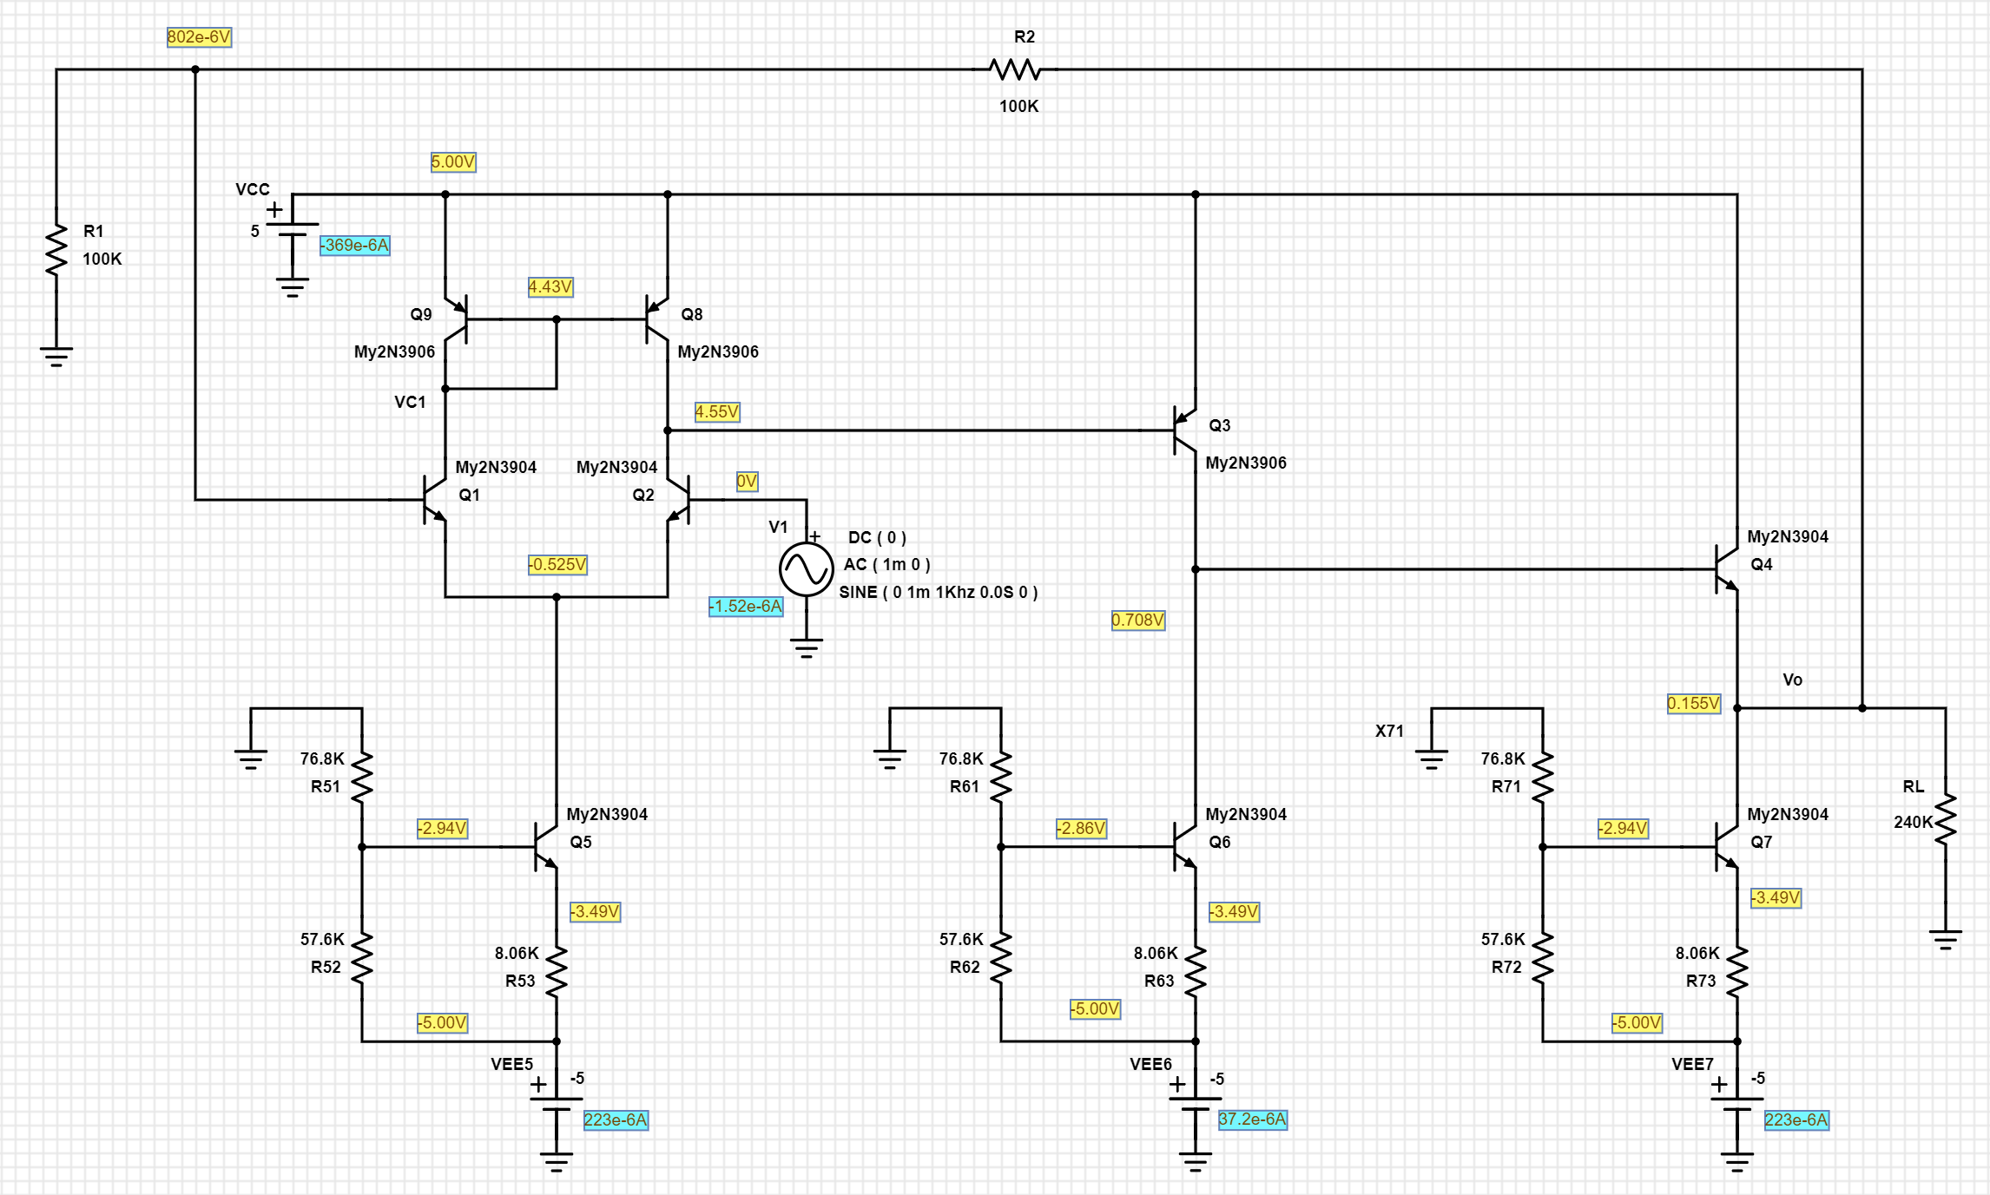
8.01E-04 | 1.51E-01
8.51E-04 | 1.51E-01
9.01E-04 | 1.52E-01
9.76E-04 | 1.53E-01
1.00E-03 | 1.53E-01
1.03E-03 | 1.53E-01
1.05E-03 | 1.53E-01
1.08E-03 | 1.54E-01
1.10E-03 | 1.54E-01
1.13E-03 | 1.54E-01
1.15E-03 | 1.54E-01
1.20E-03 | 1.55E-01
1.24E-03 | 1.55E-01
1.28E-03 | 1.55E-01
1.33E-03 | 1.55E-01
1.38E-03 | 1.54E-01
1.43E-03 | 1.54E-01
1.46E-03 | 1.53E-01
1.48E-03 | 1.53E-01
1.51E-03 | 1.53E-01
1.53E-03 | 1.52E-01
1.56E-03 | 1.52E-01
1.58E-03 | 1.52E-01
1.61E-03 | 1.52E-01
1.66E-03 | 1.51E-01
1.71E-03 | 1.51E-01
1.75E-03 | 1.51E-01
1.80E-03 | 1.51E-01
1.85E-03 | 1.51E-01
1.90E-03 | 1.52E-01
1.97E-03 | 1.52E-01
2.00E-03 | 1.53E-01
2.02E-03 | 1.53E-01
2.05E-03 | 1.53E-01
2.07E-03 | 1.54E-01
2.10E-03 | 1.54E-01
2.12E-03 | 1.54E-01
2.15E-03 | 1.54E-01
2.20E-03 | 1.55E-01
2.24E-03 | 1.55E-01
2.28E-03 | 1.55E-01
2.33E-03 | 1.55E-01
2.38E-03 | 1.54E-01
2.43E-03 | 1.54E-01
2.46E-03 | 1.53E-01
2.48E-03 | 1.53E-01
2.51E-03 | 1.53E-01
2.53E-03 | 1.52E-01
2.56E-03 | 1.52E-01
2.58E-03 | 1.52E-01
2.61E-03 | 1.52E-01
2.66E-03 | 1.51E-01
2.71E-03 | 1.51E-01
2.75E-03 | 1.51E-01
2.79E-03 | 1.51E-01
2.84E-03 | 1.51E-01
2.89E-03 | 1.52E-01
2.94E-03 | 1.52E-01
2.96E-03 | 1.52E-01
2.99E-03 | 1.53E-01
3.01E-03 | 1.53E-01
3.04E-03 | 1.53E-01
3.06E-03 | 1.54E-01
3.09E-03 | 1.54E-01
3.11E-03 | 1.54E-01
3.16E-03 | 1.55E-01
3.21E-03 | 1.55E-01
3.26E-03 | 1.55E-01
3.30E-03 | 1.55E-01
3.35E-03 | 1.54E-01
3.40E-03 | 1.54E-01
3.48E-03 | 1.53E-01
3.50E-03 | 1.53E-01
3.53E-03 | 1.53E-01
3.55E-03 | 1.52E-01
3.58E-03 | 1.52E-01
3.60E-03 | 1.52E-01
3.63E-03 | 1.51E-01
3.65E-03 | 1.51E-01
3.70E-03 | 1.51E-01
3.74E-03 | 1.51E-01
3.78E-03 | 1.51E-01
3.83E-03 | 1.51E-01
3.88E-03 | 1.52E-01
3.93E-03 | 1.52E-01
3.96E-03 | 1.52E-01
3.98E-03 | 1.53E-01
4.01E-03 | 1.53E-01
4.03E-03 | 1.53E-01
4.06E-03 | 1.54E-01
4.08E-03 | 1.54E-01
4.11E-03 | 1.54E-01
4.16E-03 | 1.55E-01
4.21E-03 | 1.55E-01
4.25E-03 | 1.55E-01
4.29E-03 | 1.55E-01
4.34E-03 | 1.55E-01
4.39E-03 | 1.54E-01
4.47E-03 | 1.53E-01
4.49E-03 | 1.53E-01
4.52E-03 | 1.53E-01
4.54E-03 | 1.52E-01
4.57E-03 | 1.52E-01
4.59E-03 | 1.52E-01
4.62E-03 | 1.52E-01
4.64E-03 | 1.51E-01
4.69E-03 | 1.51E-01
4.74E-03 | 1.51E-01
4.78E-03 | 1.51E-01
4.83E-03 | 1.51E-01
4.88E-03 | 1.52E-01
4.93E-03 | 1.52E-01
4.96E-03 | 1.52E-01
4.98E-03 | 1.53E-01
5.01E-03 | 1.53E-01
5.03E-03 | 1.53E-01
5.06E-03 | 1.54E-01
5.08E-03 | 1.54E-01
5.11E-03 | 1.54E-01
5.16E-03 | 1.55E-01
5.21E-03 | 1.55E-01
5.25E-03 | 1.55E-01
5.29E-03 | 1.55E-01
5.34E-03 | 1.55E-01
5.39E-03 | 1.54E-01
5.44E-03 | 1.54E-01
5.46E-03 | 1.53E-01
5.49E-03 | 1.53E-01
5.51E-03 | 1.53E-01
5.54E-03 | 1.52E-01
5.56E-03 | 1.52E-01
5.59E-03 | 1.52E-01
5.61E-03 | 1.52E-01
5.66E-03 | 1.51E-01
5.71E-03 | 1.51E-01
5.76E-03 | 1.51E-01
5.80E-03 | 1.51E-01
5.85E-03 | 1.51E-01
5.90E-03 | 1.52E-01
5.98E-03 | 1.53E-01
6.00E-03 | 1.53E-01

Step 1.7
Frequency | vm(vo) | ph(v(vo)) | Av | Av | Freq(log) | vm(vo)real | Vmimg
Hz | Volts | deg | V/V | dB | Hz | Volts | Volts
1.00E+03 | 0.0020000745423 | 3.67E-02 | 2.0000745423 | 6.0209236402 | 3 | 0.0020000741318 | 1.28E-06
AV vs Frequency
1.02E+03 | 0.0020000745664 | 3.76E-02 | 2.0000745664 | 6.0209237448 | 3.0099009901 | 0.0020000741367 | 1.31E-06
1.05E+03 | 0.002000074589 | 3.84E-02 | 2.000074589 | 6.0209238433 | 3.0198019802 | 0.0020000741394 | 1.34E-06
1.07E+03 | 0.0020000746142 | 3.93E-02 | 2.0000746142 | 6.0209239527 | 3.0297029703 | 0.0020000741436 | 1.37E-06
1.10E+03 | 0.0020000746391 | 4.02E-02 | 2.0000746391 | 6.0209240607 | 3.0396039604 | 0.0020000741465 | 1.40E-06
1.12E+03 | 0.002000074667 | 4.11E-02 | 2.000074667 | 6.0209241821 | 3.0495049505 | 0.0020000741515 | 1.44E-06
1.15E+03 | 0.0020000746943 | 4.21E-02 | 2.0000746943 | 6.0209243003 | 3.0594059406 | 0.0020000741546 | 1.47E-06
1.17E+03 | 0.0020000747252 | 4.31E-02 | 2.0000747252 | 6.0209244345 | 3.0693069307 | 0.0020000741604 | 1.50E-06
1.20E+03 | 0.0020000747564 | 4.41E-02 | 2.0000747564 | 6.0209245703 | 3.0792079208 | 0.0020000741653 | 1.54E-06
1.23E+03 | 0.0020000747877 | 4.51E-02 | 2.0000747877 | 6.0209247059 | 3.0891089109 | 0.0020000741689 | 1.57E-06
1.26E+03 | 0.0020000748223 | 4.61E-02 | 2.0000748223 | 6.0209248562 | 3.099009901 | 0.0020000741747 | 1.61E-06
1.29E+03 | 0.0020000748589 | 4.72E-02 | 2.0000748589 | 6.0209250152 | 3.1089108911 | 0.0020000741811 | 1.65E-06
1.31E+03 | 0.0020000748966 | 4.83E-02 | 2.0000748966 | 6.020925179 | 3.1188118812 | 0.0020000741872 | 1.68E-06
1.34E+03 | 0.0020000749355 | 4.94E-02 | 2.0000749355 | 6.0209253481 | 3.1287128713 | 0.002000074193 | 1.72E-06
1.38E+03 | 0.0020000749747 | 5.05E-02 | 2.0000749747 | 6.0209255183 | 3.1386138614 | 0.0020000741976 | 1.76E-06
1.41E+03 | 0.0020000750182 | 5.17E-02 | 2.0000750182 | 6.020925707 | 3.1485148515 | 0.0020000742048 | 1.80E-06
1.44E+03 | 0.0020000750631 | 5.29E-02 | 2.0000750631 | 6.020925902 | 3.1584158416 | 0.0020000742117 | 1.85E-06
1.47E+03 | 0.00200007511 | 5.41E-02 | 2.00007511 | 6.0209261056 | 3.1683168317 | 0.0020000742189 | 1.89E-06
1.51E+03 | 0.002000075159 | 5.53E-02 | 2.000075159 | 6.0209263184 | 3.1782178218 | 0.0020000742263 | 1.93E-06
Gain Phase vs Frequency
1.54E+03 | 0.0020000752097 | 5.66E-02 | 2.0000752097 | 6.0209265385 | 3.1881188119 | 0.0020000742335 | 1.98E-06
1.58E+03 | 0.0020000752651 | 5.79E-02 | 2.0000752651 | 6.0209267792 | 3.198019802 | 0.0020000742434 | 2.02E-06
1.61E+03 | 0.002000075321 | 5.92E-02 | 2.000075321 | 6.0209270219 | 3.2079207921 | 0.0020000742516 | 2.07E-06
1.65E+03 | 0.0020000753798 | 6.06E-02 | 2.0000753798 | 6.0209272776 | 3.2178217822 | 0.0020000742606 | 2.12E-06
1.69E+03 | 0.0020000754409 | 6.20E-02 | 2.0000754409 | 6.0209275427 | 3.2277227723 | 0.0020000742694 | 2.16E-06
1.73E+03 | 0.0020000755066 | 6.34E-02 | 2.0000755066 | 6.0209278281 | 3.2376237624 | 0.0020000742805 | 2.21E-06
1.77E+03 | 0.0020000755733 | 6.49E-02 | 2.0000755733 | 6.0209281177 | 3.2475247525 | 0.00200007429 | 2.27E-06
1.81E+03 | 0.0020000756449 | 6.64E-02 | 2.0000756449 | 6.0209284288 | 3.2574257426 | 0.0020000743017 | 2.32E-06
1.85E+03 | 0.0020000757178 | 6.79E-02 | 2.0000757178 | 6.0209287452 | 3.2673267327 | 0.0020000743119 | 2.37E-06
1.89E+03 | 0.0020000757959 | 6.95E-02 | 2.0000757959 | 6.0209290844 | 3.2772277228 | 0.0020000743245 | 2.43E-06
1.94E+03 | 0.002000075877 | 7.11E-02 | 2.000075877 | 6.0209294365 | 3.2871287129 | 0.0020000743369 | 2.48E-06
1.98E+03 | 0.0020000759607 | 7.27E-02 | 2.0000759607 | 6.0209298002 | 3.297029703 | 0.0020000743488 | 2.54E-06
2.03E+03 | 0.0020000760492 | 7.44E-02 | 2.0000760492 | 6.0209301845 | 3.3069306931 | 0.0020000743621 | 2.60E-06
2.07E+03 | 0.0020000761441 | 7.61E-02 | 2.0000761441 | 6.0209305966 | 3.3168316832 | 0.0020000743783 | 2.66E-06
2.12E+03 | 0.0020000762398 | 7.79E-02 | 2.0000762398 | 6.020931012 | 3.3267326733 | 0.0020000743916 | 2.72E-06
2.17E+03 | 0.0020000763432 | 7.97E-02 | 2.0000763432 | 6.0209314611 | 3.3366336634 | 0.0020000744088 | 2.78E-06
2.22E+03 | 0.0020000764487 | 8.15E-02 | 2.0000764487 | 6.0209319194 | 3.3465346535 | 0.002000074424 | 2.85E-06
2.27E+03 | 0.00200007656 | 8.34E-02 | 2.00007656 | 6.0209324026 | 3.3564356436 | 0.0020000744409 | 2.91E-06
2.32E+03 | 0.0020000766772 | 8.53E-02 | 2.0000766772 | 6.0209329116 | 3.3663366337 | 0.0020000744592 | 2.98E-06
2.38E+03 | 0.0020000767986 | 8.73E-02 | 2.0000767986 | 6.0209334392 | 3.3762376238 | 0.0020000744772 | 3.05E-06
2.43E+03 | 0.0020000769246 | 8.93E-02 | 2.0000769246 | 6.0209339862 | 3.3861386139 | 0.0020000744949 | 3.12E-06
2.49E+03 | 0.0020000770592 | 9.14E-02 | 2.0000770592 | 6.0209345707 | 3.396039604 | 0.0020000745161 | 3.19E-06
2.55E+03 | 0.0020000772012 | 9.35E-02 | 2.0000772012 | 6.0209351875 | 3.4059405941 | 0.0020000745395 | 3.26E-06
2.61E+03 | 0.0020000773471 | 9.56E-02 | 2.0000773471 | 6.020935821 | 3.4158415842 | 0.0020000745612 | 3.34E-06
2.67E+03 | 0.0020000775 | 9.78E-02 | 2.0000775 | 6.020936485 | 3.4257425743 | 0.0020000745842 | 3.42E-06
2.73E+03 | 0.0020000776617 | 1.00E-01 | 2.0000776617 | 6.0209371873 | 3.4356435644 | 0.0020000746098 | 3.49E-06
2.79E+03 | 0.0020000778287 | 1.02E-01 | 2.0000778287 | 6.0209379124 | 3.4455445545 | 0.0020000746344 | 3.57E-06
2.85E+03 | 0.0020000780056 | 1.05E-01 | 2.0000780056 | 6.0209386806 | 3.4554455446 | 0.0020000746623 | 3.66E-06
2.92E+03 | 0.0020000781913 | 1.07E-01 | 2.0000781913 | 6.0209394872 | 3.4653465347 | 0.0020000746921 | 3.74E-06
2.99E+03 | 0.0020000783819 | 1.10E-01 | 2.0000783819 | 6.0209403148 | 3.4752475248 | 0.0020000747194 | 3.83E-06
3.06E+03 | 0.0020000785835 | 1.12E-01 | 2.0000785835 | 6.0209411904 | 3.4851485149 | 0.0020000747502 | 3.92E-06
3.13E+03 | 0.0020000787956 | 1.15E-01 | 2.0000787956 | 6.0209421115 | 3.495049505 | 0.0020000747834 | 4.01E-06
3.20E+03 | 0.0020000790167 | 1.17E-01 | 2.0000790167 | 6.0209430715 | 3.504950495 | 0.0020000748173 | 4.10E-06
3.27E+03 | 0.0020000792466 | 1.20E-01 | 2.0000792466 | 6.0209440702 | 3.5148514851 | 0.0020000748514 | 4.19E-06
3.35E+03 | 0.0020000794903 | 1.23E-01 | 2.0000794903 | 6.0209451285 | 3.5247524752 | 0.00200007489 | 4.29E-06
3.42E+03 | 0.0020000797424 | 1.26E-01 | 2.0000797424 | 6.0209462234 | 3.5346534653 | 0.0020000749275 | 4.39E-06
3.50E+03 | 0.0020000800083 | 1.29E-01 | 2.0000800083 | 6.0209473779 | 3.5445544554 | 0.0020000749688 | 4.49E-06
3.58E+03 | 0.002000080286 | 1.32E-01 | 2.000080286 | 6.020948584 | 3.5544554455 | 0.0020000750114 | 4.59E-06
3.67E+03 | 0.0020000805766 | 1.35E-01 | 2.0000805766 | 6.0209498461 | 3.5643564356 | 0.0020000750559 | 4.70E-06
3.75E+03 | 0.0020000808798 | 1.38E-01 | 2.0000808798 | 6.0209511625 | 3.5742574257 | 0.0020000751015 | 4.81E-06
3.84E+03 | 0.0020000811999 | 1.41E-01 | 2.0000811999 | 6.0209525527 | 3.5841584158 | 0.0020000751521 | 4.92E-06
3.93E+03 | 0.0020000815313 | 1.44E-01 | 2.0000815313 | 6.0209539921 | 3.5940594059 | 0.0020000752014 | 5.03E-06
4.02E+03 | 0.0020000818806 | 1.47E-01 | 2.0000818806 | 6.0209555088 | 3.603960396 | 0.0020000752553 | 5.15E-06
4.11E+03 | 0.002000082244 | 1.51E-01 | 2.000082244 | 6.0209570869 | 3.6138613861 | 0.0020000753096 | 5.27E-06
4.20E+03 | 0.0020000826256 | 1.54E-01 | 2.0000826256 | 6.0209587443 | 3.6237623762 | 0.0020000753678 | 5.39E-06
4.30E+03 | 0.0020000830263 | 1.58E-01 | 2.0000830263 | 6.0209604843 | 3.6336633663 | 0.0020000754299 | 5.51E-06
4.40E+03 | 0.0020000834448 | 1.62E-01 | 2.0000834448 | 6.0209623019 | 3.6435643564 | 0.002000075494 | 5.64E-06
4.50E+03 | 0.0020000838821 | 1.65E-01 | 2.0000838821 | 6.0209642008 | 3.6534653465 | 0.0020000755604 | 5.77E-06
4.61E+03 | 0.0020000843413 | 1.69E-01 | 2.0000843413 | 6.0209661952 | 3.6633663366 | 0.0020000756314 | 5.90E-06
4.71E+03 | 0.0020000848201 | 1.73E-01 | 2.0000848201 | 6.0209682745 | 3.6732673267 | 0.0020000757039 | 6.04E-06
4.82E+03 | 0.0020000853247 | 1.77E-01 | 2.0000853247 | 6.0209704659 | 3.6831683168 | 0.0020000757832 | 6.18E-06
4.93E+03 | 0.0020000858484 | 1.81E-01 | 2.0000858484 | 6.02097274 | 3.6930693069 | 0.0020000758617 | 6.32E-06
5.05E+03 | 0.0020000863989 | 1.85E-01 | 2.0000863989 | 6.020975131 | 3.702970297 | 0.0020000759464 | 6.47E-06
5.16E+03 | 0.0020000869736 | 1.90E-01 | 2.0000869736 | 6.0209776267 | 3.7128712871 | 0.0020000760335 | 6.62E-06
5.28E+03 | 0.0020000875769 | 1.94E-01 | 2.0000875769 | 6.0209802468 | 3.7227722772 | 0.0020000761264 | 6.77E-06
5.40E+03 | 0.0020000882082 | 1.98E-01 | 2.0000882082 | 6.0209829882 | 3.7326732673 | 0.0020000762235 | 6.92E-06
5.53E+03 | 0.0020000888667 | 2.03E-01 | 2.0000888667 | 6.0209858478 | 3.7425742574 | 0.0020000763229 | 7.08E-06
5.66E+03 | 0.0020000895581 | 2.08E-01 | 2.0000895581 | 6.0209888504 | 3.7524752475 | 0.0020000764291 | 7.25E-06
5.79E+03 | 0.0020000902818 | 2.12E-01 | 2.0000902818 | 6.0209919934 | 3.7623762376 | 0.0020000765403 | 7.41E-06
5.92E+03 | 0.0020000910384 | 2.17E-01 | 2.0000910384 | 6.0209952791 | 3.7722772277 | 0.0020000766559 | 7.59E-06
6.06E+03 | 0.0020000918313 | 2.22E-01 | 2.0000918313 | 6.0209987222 | 3.7821782178 | 0.0020000767777 | 7.76E-06
6.20E+03 | 0.00200009266 | 2.27E-01 | 2.00009266 | 6.0210023213 | 3.7920792079 | 0.0020000769042 | 7.94E-06
6.34E+03 | 0.0020000935288 | 2.33E-01 | 2.0000935288 | 6.021006094 | 3.801980198 | 0.002000077038 | 8.12E-06
6.48E+03 | 0.0020000944358 | 2.38E-01 | 2.0000944358 | 6.0210100332 | 3.8118811881 | 0.0020000771757 | 8.31E-06
6.63E+03 | 0.0020000953864 | 2.44E-01 | 2.0000953864 | 6.0210141614 | 3.8217821782 | 0.0020000773211 | 8.50E-06
6.79E+03 | 0.002000096381 | 2.49E-01 | 2.000096381 | 6.0210184806 | 3.8316831683 | 0.0020000774729 | 8.70E-06
6.94E+03 | 0.0020000974235 | 2.55E-01 | 2.0000974235 | 6.0210230078 | 3.8415841584 | 0.0020000776333 | 8.90E-06
7.10E+03 | 0.0020000985135 | 2.61E-01 | 2.0000985135 | 6.0210277414 | 3.8514851485 | 0.0020000778001 | 9.10E-06
7.27E+03 | 0.0020000996532 | 2.67E-01 | 2.0000996532 | 6.0210326909 | 3.8613861386 | 0.0020000779735 | 9.31E-06
7.44E+03 | 0.0020001008483 | 2.73E-01 | 2.0001008483 | 6.021037881 | 3.8712871287 | 0.0020000781572 | 9.53E-06
7.61E+03 | 0.0020001020973 | 2.79E-01 | 2.0001020973 | 6.021043305 | 3.8811881188 | 0.0020000783476 | 9.75E-06
7.78E+03 | 0.0020001034051 | 2.86E-01 | 2.0001034051 | 6.0210489844 | 3.8910891089 | 0.0020000785475 | 9.97E-06
7.96E+03 | 0.0020001047739 | 2.92E-01 | 2.0001047739 | 6.0210549284 | 3.900990099 | 0.0020000787565 | 1.02E-05
8.15E+03 | 0.0020001062082 | 2.99E-01 | 2.0001062082 | 6.0210611573 | 3.9108910891 | 0.0020000789771 | 1.04E-05
8.33E+03 | 0.002000107708 | 3.06E-01 | 2.000107708 | 6.0210676707 | 3.9207920792 | 0.0020000792066 | 1.07E-05
8.52E+03 | 0.0020001092769 | 3.13E-01 | 2.0001092769 | 6.0210744839 | 3.9306930693 | 0.0020000794458 | 1.09E-05
8.72E+03 | 0.0020001109194 | 3.20E-01 | 2.0001109194 | 6.0210816167 | 3.9405940594 | 0.0020000796967 | 1.12E-05
8.92E+03 | 0.0020001126402 | 3.28E-01 | 2.0001126402 | 6.0210890896 | 3.9504950495 | 0.0020000799609 | 1.14E-05
9.13E+03 | 0.0020001144389 | 3.35E-01 | 2.0001144389 | 6.0210969007 | 3.9603960396 | 0.002000080235 | 1.17E-05
9.34E+03 | 0.0020001163229 | 3.43E-01 | 2.0001163229 | 6.0211050825 | 3.9702970297 | 0.0020000805234 | 1.20E-05
9.55E+03 | 0.0020001182946 | 3.51E-01 | 2.0001182946 | 6.0211136449 | 3.9801980198 | 0.002000080825 | 1.22E-05
9.77E+03 | 0.0020001203578 | 3.59E-01 | 2.0001203578 | 6.0211226049 | 3.9900990099 | 0.0020000811402 | 1.25E-05
1.00E+04 | 0.0020001225182 | 3.67E-01 | 2.0001225182 | 6.0211319868 | 4 | 0.002000081471 | 1.28E-05
1.02E+04 | 0.0020001247806 | 3.76E-01 | 2.0001247806 | 6.0211418114 | 4.0099009901 | 0.0020000818185 | 1.31E-05
1.05E+04 | 0.0020001271479 | 3.84E-01 | 2.0001271479 | 6.0211520919 | 4.0198019802 | 0.0020000821815 | 1.34E-05
1.07E+04 | 0.002000129623 | 3.93E-01 | 2.000129623 | 6.0211628404 | 4.0297029703 | 0.0020000825589 | 1.37E-05
1.10E+04 | 0.0020001322127 | 4.02E-01 | 2.0001322127 | 6.0211740868 | 4.0396039604 | 0.002000082953 | 1.40E-05
1.12E+04 | 0.0020001349276 | 4.11E-01 | 2.0001349276 | 6.0211858765 | 4.0495049505 | 0.0020000833698 | 1.44E-05
1.15E+04 | 0.0020001377667 | 4.21E-01 | 2.0001377667 | 6.0211982058 | 4.0594059406 | 0.0020000838037 | 1.47E-05
1.17E+04 | 0.0020001407401 | 4.31E-01 | 2.0001407401 | 6.0212111183 | 4.0693069307 | 0.0020000842596 | 1.50E-05
1.20E+04 | 0.0020001438508 | 4.41E-01 | 2.0001438508 | 6.0212246269 | 4.0792079208 | 0.0020000847354 | 1.54E-05
1.23E+04 | 0.0020001471064 | 4.51E-01 | 2.0001471064 | 6.0212387649 | 4.0891089109 | 0.0020000852332 | 1.57E-05
1.26E+04 | 0.002000150515 | 4.61E-01 | 2.000150515 | 6.0212535669 | 4.099009901 | 0.0020000857553 | 1.61E-05
1.29E+04 | 0.0020001540817 | 4.72E-01 | 2.0001540817 | 6.0212690559 | 4.1089108911 | 0.0020000863009 | 1.65E-05
1.31E+04 | 0.0020001578138 | 4.83E-01 | 2.0001578138 | 6.021285263 | 4.1188118812 | 0.0020000868709 | 1.68E-05
1.34E+04 | 0.0020001617226 | 4.94E-01 | 2.0001617226 | 6.0213022372 | 4.1287128713 | 0.00200008747 | 1.72E-05
1.38E+04 | 0.0020001658095 | 5.05E-01 | 2.0001658095 | 6.021319985 | 4.1386138614 | 0.0020000880929 | 1.76E-05
1.41E+04 | 0.0020001700934 | 5.17E-01 | 2.0001700934 | 6.0213385882 | 4.1485148515 | 0.0020000887512 | 1.80E-05
1.44E+04 | 0.0020001745707 | 5.29E-01 | 2.0001745707 | 6.0213580311 | 4.1584158416 | 0.0020000894337 | 1.85E-05
1.47E+04 | 0.0020001792605 | 5.41E-01 | 2.0001792605 | 6.0213783967 | 4.1683168317 | 0.0020000901517 | 1.89E-05
1.51E+04 | 0.0020001841692 | 5.53E-01 | 2.0001841692 | 6.021399713 | 4.1782178218 | 0.0020000909033 | 1.93E-05
1.54E+04 | 0.0020001893051 | 5.66E-01 | 2.0001893051 | 6.0214220162 | 4.1881188119 | 0.0020000916882 | 1.98E-05
1.58E+04 | 0.002000194683 | 5.79E-01 | 2.000194683 | 6.0214453696 | 4.198019802 | 0.0020000925121 | 2.02E-05
1.61E+04 | 0.0020002003105 | 5.92E-01 | 2.0002003105 | 6.0214698073 | 4.2079207921 | 0.0020000933731 | 2.07E-05
1.65E+04 | 0.0020002061999 | 6.06E-01 | 2.0002061999 | 6.0214953821 | 4.2178217822 | 0.0020000942737 | 2.12E-05
1.69E+04 | 0.0020002123634 | 6.20E-01 | 2.0002123634 | 6.021522147 | 4.2277227723 | 0.0020000952156 | 2.16E-05
1.73E+04 | 0.0020002188167 | 6.34E-01 | 2.0002188167 | 6.0215501703 | 4.2376237624 | 0.0020000962037 | 2.21E-05
1.77E+04 | 0.0020002255707 | 6.49E-01 | 2.0002255707 | 6.0215794993 | 4.2475247525 | 0.0020000972375 | 2.27E-05
1.81E+04 | 0.0020002326379 | 6.64E-01 | 2.0002326379 | 6.0216101883 | 4.2574257426 | 0.0020000983177 | 2.32E-05
1.85E+04 | 0.0020002400378 | 6.79E-01 | 2.0002400378 | 6.0216423216 | 4.2673267327 | 0.0020000994512 | 2.37E-05
1.89E+04 | 0.0020002477807 | 6.95E-01 | 2.0002477807 | 6.0216759444 | 4.2772277228 | 0.0020001006353 | 2.43E-05
1.94E+04 | 0.0020002558839 | 7.11E-01 | 2.0002558839 | 6.021711132 | 4.2871287129 | 0.0020001018739 | 2.48E-05
1.98E+04 | 0.0020002643671 | 7.27E-01 | 2.0002643671 | 6.0217479693 | 4.297029703 | 0.0020001031722 | 2.54E-05
2.03E+04 | 0.0020002732458 | 7.44E-01 | 2.0002732458 | 6.0217865236 | 4.3069306931 | 0.0020001045307 | 2.60E-05
2.07E+04 | 0.002000282538 | 7.61E-01 | 2.000282538 | 6.0218268736 | 4.3168316832 | 0.0020001059519 | 2.66E-05
2.12E+04 | 0.0020002922653 | 7.79E-01 | 2.0002922653 | 6.0218691126 | 4.3267326733 | 0.002000107441 | 2.72E-05
2.17E+04 | 0.0020003024456 | 7.97E-01 | 2.0003024456 | 6.0219133184 | 4.3366336634 | 0.0020001089987 | 2.78E-05
2.22E+04 | 0.0020003131006 | 8.15E-01 | 2.0003131006 | 6.0219595853 | 4.3465346535 | 0.0020001106289 | 2.85E-05
2.27E+04 | 0.0020003242535 | 8.34E-01 | 2.0003242535 | 6.0220080141 | 4.3564356436 | 0.0020001123359 | 2.91E-05
2.32E+04 | 0.0020003359241 | 8.53E-01 | 2.0003359241 | 6.0220586908 | 4.3663366337 | 0.00200011412 | 2.98E-05
2.38E+04 | 0.0020003481421 | 8.73E-01 | 2.0003481421 | 6.0221117438 | 4.3762376238 | 0.0020001159902 | 3.05E-05
2.43E+04 | 0.0020003609299 | 8.93E-01 | 2.0003609299 | 6.0221672703 | 4.3861386139 | 0.0020001179473 | 3.12E-05
2.49E+04 | 0.0020003743138 | 9.14E-01 | 2.0003743138 | 6.0222253853 | 4.396039604 | 0.0020001199953 | 3.19E-05
2.55E+04 | 0.0020003883216 | 9.35E-01 | 2.0003883216 | 6.0222862089 | 4.4059405941 | 0.0020001221384 | 3.26E-05
2.61E+04 | 0.0020004029827 | 9.56E-01 | 2.0004029827 | 6.0223498686 | 4.4158415842 | 0.0020001243811 | 3.34E-05
2.67E+04 | 0.0020004183292 | 9.78E-01 | 2.0004183292 | 6.0224165039 | 4.4257425743 | 0.0020001267299 | 3.42E-05
2.73E+04 | 0.0020004343903 | 1.00E+00 | 2.0004343903 | 6.0224862414 | 4.4356435644 | 0.0020001291868 | 3.49E-05
2.79E+04 | 0.0020004512028 | 1.02E+00 | 2.0004512028 | 6.0225592411 | 4.4455445545 | 0.0020001317605 | 3.57E-05
2.85E+04 | 0.0020004687984 | 1.05E+00 | 2.0004687984 | 6.0226356401 | 4.4554455446 | 0.0020001344528 | 3.66E-05
2.92E+04 | 0.0020004872155 | 1.07E+00 | 2.0004872155 | 6.0227156055 | 4.4653465347 | 0.0020001372714 | 3.74E-05
2.99E+04 | 0.0020005064908 | 1.10E+00 | 2.0005064908 | 6.0227992966 | 4.4752475248 | 0.0020001402205 | 3.83E-05
3.06E+04 | 0.0020005266668 | 1.12E+00 | 2.0005266668 | 6.0228868971 | 4.4851485149 | 0.0020001433084 | 3.92E-05
3.13E+04 | 0.0020005477846 | 1.15E+00 | 2.0005477846 | 6.0229785859 | 4.495049505 | 0.0020001465409 | 4.01E-05
3.20E+04 | 0.0020005698859 | 1.17E+00 | 2.0005698859 | 6.0230745436 | 4.504950495 | 0.0020001499223 | 4.10E-05
3.27E+04 | 0.002000593021 | 1.20E+00 | 2.000593021 | 6.0231749888 | 4.5148514851 | 0.0020001534642 | 4.19E-05
3.35E+04 | 0.0020006172327 | 1.23E+00 | 2.0006172327 | 6.0232801072 | 4.5247524752 | 0.0020001571685 | 4.29E-05
3.42E+04 | 0.0020006425771 | 1.26E+00 | 2.0006425771 | 6.0233901418 | 4.5346534653 | 0.0020001610486 | 4.39E-05
3.50E+04 | 0.0020006691008 | 1.29E+00 | 2.0006691008 | 6.0235052952 | 4.5445544554 | 0.0020001651066 | 4.49E-05
3.58E+04 | 0.0020006968646 | 1.32E+00 | 2.0006968646 | 6.0236258306 | 4.5544554455 | 0.0020001693564 | 4.59E-05
3.67E+04 | 0.0020007259233 | 1.35E+00 | 2.0007259233 | 6.0237519862 | 4.5643564356 | 0.002000173804 | 4.70E-05
3.75E+04 | 0.0020007563379 | 1.38E+00 | 2.0007563379 | 6.0238840261 | 4.5742574257 | 0.0020001784591 | 4.81E-05
3.84E+04 | 0.0020007881739 | 1.41E+00 | 2.0007881739 | 6.0240222346 | 4.5841584158 | 0.0020001833336 | 4.92E-05
3.93E+04 | 0.0020008214923 | 1.44E+00 | 2.0008214923 | 6.0241668766 | 4.5940594059 | 0.0020001884326 | 5.03E-05
4.02E+04 | 0.002000856367 | 1.47E+00 | 2.000856367 | 6.0243182721 | 4.603960396 | 0.0020001937711 | 5.15E-05
4.11E+04 | 0.00200089287 | 1.51E+00 | 2.00089287 | 6.0244767333 | 4.6138613861 | 0.0020001993596 | 5.27E-05
4.20E+04 | 0.0020009310766 | 1.54E+00 | 2.0009310766 | 6.0246425867 | 4.6237623762 | 0.0020002052092 | 5.39E-05
4.30E+04 | 0.0020009710645 | 1.58E+00 | 2.0009710645 | 6.0248161692 | 4.6336633663 | 0.0020002113302 | 5.51E-05
4.40E+04 | 0.0020010129193 | 1.62E+00 | 2.0010129193 | 6.0249978521 | 4.6435643564 | 0.0020002177378 | 5.64E-05
4.50E+04 | 0.0020010567274 | 1.65E+00 | 2.0010567274 | 6.0251880102 | 4.6534653465 | 0.0020002244447 | 5.77E-05
4.61E+04 | 0.0020011025803 | 1.69E+00 | 2.0011025803 | 6.0253870394 | 4.6633663366 | 0.0020002314651 | 5.90E-05
4.71E+04 | 0.0020011505739 | 1.73E+00 | 2.0011505739 | 6.0255953553 | 4.6732673267 | 0.0020002388139 | 6.04E-05
4.82E+04 | 0.0020012008078 | 1.77E+00 | 2.0012008078 | 6.0258133902 | 4.6831683168 | 0.0020002465064 | 6.18E-05
4.93E+04 | 0.0020012533852 | 1.81E+00 | 2.0012533852 | 6.0260415912 | 4.6930693069 | 0.0020002545572 | 6.32E-05
5.05E+04 | 0.0020013084166 | 1.85E+00 | 2.0013084166 | 6.0262804364 | 4.702970297 | 0.002000262984 | 6.47E-05
5.16E+04 | 0.0020013660181 | 1.89E+00 | 2.0013660181 | 6.0265304294 | 4.7128712871 | 0.002000271806 | 6.62E-05
5.28E+04 | 0.0020014263081 | 1.94E+00 | 2.0014263081 | 6.0267920831 | 4.7227722772 | 0.0020002810401 | 6.77E-05
5.40E+04 | 0.002001489413 | 1.98E+00 | 2.001489413 | 6.0270659445 | 4.7326732673 | 0.0020002907062 | 6.93E-05
5.53E+04 | 0.0020015554622 | 2.03E+00 | 2.0015554622 | 6.0273525741 | 4.7425742574 | 0.0020003008227 | 7.09E-05
5.66E+04 | 0.0020016245943 | 2.08E+00 | 2.0016245943 | 6.0276525728 | 4.7524752475 | 0.0020003114117 | 7.25E-05
5.79E+04 | 0.0020016969545 | 2.12E+00 | 2.0016969545 | 6.0279665682 | 4.7623762376 | 0.0020003224964 | 7.42E-05
5.92E+04 | 0.002001772693 | 2.17E+00 | 2.001772693 | 6.0282952114 | 4.7722772277 | 0.0020003340996 | 7.59E-05
6.06E+04 | 0.0020018519676 | 2.22E+00 | 2.0018519676 | 6.028639185 | 4.7821782178 | 0.0020003462454 | 7.76E-05
6.20E+04 | 0.002001934944 | 2.27E+00 | 2.001934944 | 6.0289992061 | 4.7920792079 | 0.0020003589598 | 7.94E-05
6.34E+04 | 0.0020020217949 | 2.33E+00 | 2.0020217949 | 6.0293760219 | 4.801980198 | 0.0020003722691 | 8.13E-05
6.48E+04 | 0.0020021126988 | 2.38E+00 | 2.0021126988 | 6.0297704046 | 4.8118811881 | 0.0020003861986 | 8.31E-05
6.63E+04 | 0.002002207849 | 2.43E+00 | 2.002207849 | 6.030183191 | 4.8217821782 | 0.0020004007816 | 8.50E-05
6.79E+04 | 0.0020023074427 | 2.49E+00 | 2.0023074427 | 6.0306152333 | 4.8316831683 | 0.0020004160471 | 8.70E-05
6.94E+04 | 0.0020024116864 | 2.55E+00 | 2.0024116864 | 6.0310674244 | 4.8415841584 | 0.0020004320261 | 8.90E-05
7.10E+04 | 0.0020025207988 | 2.61E+00 | 2.0025207988 | 6.0315407099 | 4.8514851485 | 0.0020004487535 | 9.11E-05
7.27E+04 | 0.002002635007 | 2.67E+00 | 2.002635007 | 6.0320360712 | 4.8613861386 | 0.0020004662637 | 9.32E-05
7.44E+04 | 0.0020027545506 | 2.73E+00 | 2.0027545506 | 6.0325545441 | 4.8712871287 | 0.002000484595 | 9.53E-05
7.61E+04 | 0.0020028796744 | 2.79E+00 | 2.0028796744 | 6.0330971852 | 4.8811881188 | 0.0020005037811 | 9.75E-05
7.78E+04 | 0.0020030106437 | 2.86E+00 | 2.0030106437 | 6.0336651417 | 4.8910891089 | 0.0020005238669 | 9.98E-05
7.96E+04 | 0.0020031477317 | 2.92E+00 | 2.0031477317 | 6.034259592 | 4.900990099 | 0.002000544894 | 1.02E-04
8.15E+04 | 0.0020032912264 | 2.99E+00 | 2.0032912264 | 6.0348817801 | 4.9108910891 | 0.0020005669088 | 1.04E-04
8.33E+04 | 0.0020034414216 | 3.06E+00 | 2.0034414216 | 6.0355329734 | 4.9207920792 | 0.0020005899516 | 1.07E-04
8.52E+04 | 0.0020035986362 | 3.13E+00 | 2.0035986362 | 6.0362145483 | 4.9306930693 | 0.0020006140764 | 1.09E-04
8.72E+04 | 0.002003763195 | 3.20E+00 | 2.003763195 | 6.0369279051 | 4.9405940594 | 0.0020006393304 | 1.12E-04
8.92E+04 | 0.0020039354439 | 3.27E+00 | 2.0039354439 | 6.0376745356 | 4.9504950495 | 0.002000665769 | 1.14E-04
9.13E+04 | 0.0020041157429 | 3.35E+00 | 2.0041157429 | 6.0384559912 | 4.9603960396 | 0.0020006934479 | 1.17E-04
9.34E+04 | 0.0020043044686 | 3.43E+00 | 2.0043044686 | 6.0392738949 | 4.9702970297 | 0.0020007224255 | 1.20E-04
9.55E+04 | 0.0020045020143 | 3.50E+00 | 2.0045020143 | 6.0401299402 | 4.9801980198 | 0.0020007527617 | 1.23E-04
9.77E+04 | 0.0020047087939 | 3.59E+00 | 2.0047087939 | 6.0410259094 | 4.9900990099 | 0.0020007845215 | 1.25E-04
1.00E+05 | 0.0020049252435 | 3.67E+00 | 2.0049252435 | 6.0419636792 | 5 | 0.0020008177756 | 1.28E-04
1.02E+05 | 0.0020051518077 | 3.75E+00 | 2.0051518077 | 6.0429451626 | 5.0099009901 | 0.0020008525865 | 1.31E-04
1.05E+05 | 0.0020053889686 | 3.84E+00 | 2.0053889686 | 6.0439724324 | 5.0198019802 | 0.0020008890356 | 1.34E-04
1.07E+05 | 0.0020056372193 | 3.93E+00 | 2.0056372193 | 6.0450476075 | 5.0297029703 | 0.0020009271969 | 1.37E-04
1.10E+05 | 0.0020058970816 | 4.02E+00 | 2.0058970816 | 6.0461729302 | 5.0396039604 | 0.0020009671536 | 1.41E-04
1.12E+05 | 0.0020061690951 | 4.11E+00 | 2.0061690951 | 6.047350717 | 5.0495049505 | 0.0020010089858 | 1.44E-04
1.15E+05 | 0.0020064538344 | 4.20E+00 | 2.0064538344 | 6.0485834338 | 5.0594059406 | 0.0020010527871 | 1.47E-04
1.17E+05 | 0.0020067518953 | 4.30E+00 | 2.0067518953 | 6.0498736366 | 5.0693069307 | 0.0020010986497 | 1.51E-04
1.20E+05 | 0.0020070639029 | 4.40E+00 | 2.0070639029 | 6.0512240043 | 5.0792079208 | 0.0020011466716 | 1.54E-04
1.23E+05 | 0.0020073905095 | 4.50E+00 | 2.0073905095 | 6.0526373316 | 5.0891089109 | 0.002001196953 | 1.58E-04
1.26E+05 | 0.0020077324061 | 4.61E+00 | 2.0077324061 | 6.054116577 | 5.099009901 | 0.002001249607 | 1.61E-04
1.29E+05 | 0.0020080903039 | 4.71E+00 | 2.0080903039 | 6.0556647829 | 5.1089108911 | 0.0020013047396 | 1.65E-04
1.31E+05 | 0.0020084649585 | 4.82E+00 | 2.0084649585 | 6.0572851808 | 5.1188118812 | 0.002001362473 | 1.69E-04
1.34E+05 | 0.002008857156 | 4.93E+00 | 2.008857156 | 6.0589811285 | 5.1287128713 | 0.0020014229298 | 1.73E-04
1.38E+05 | 0.0020092677196 | 5.04E+00 | 2.0092677196 | 6.0607561407 | 5.1386138614 | 0.0020014862385 | 1.77E-04
1.41E+05 | 0.0020096975172 | 5.16E+00 | 2.0096975172 | 6.0626139195 | 5.1485148515 | 0.0020015525397 | 1.81E-04
1.44E+05 | 0.002010147452 | 5.28E+00 | 2.010147452 | 6.0645583148 | 5.1584158416 | 0.002001621975 | 1.85E-04
1.47E+05 | 0.0020106184689 | 5.40E+00 | 2.0106184689 | 6.0665933504 | 5.1683168317 | 0.0020016946918 | 1.89E-04
1.51E+05 | 0.0020111115602 | 5.52E+00 | 2.0111115602 | 6.068723248 | 5.1782178218 | 0.0020017708474 | 1.94E-04
1.54E+05 | 0.0020116277675 | 5.65E+00 | 2.0116277675 | 6.0709524355 | 5.1881188119 | 0.0020018506087 | 1.98E-04
1.58E+05 | 0.0020121681811 | 5.78E+00 | 2.0121681811 | 6.0732855423 | 5.198019802 | 0.0020019341501 | 2.03E-04
1.61E+05 | 0.0020127339374 | 5.91E+00 | 2.0127339374 | 6.0757273891 | 5.2079207921 | 0.0020020216494 | 2.07E-04
1.65E+05 | 0.0020133262355 | 6.05E+00 | 2.0133262355 | 6.0782830566 | 5.2178217822 | 0.0020021133008 | 2.12E-04
1.69E+05 | 0.002013946324 | 6.19E+00 | 2.013946324 | 6.0809578297 | 5.2277227723 | 0.0020022093014 | 2.17E-04
1.73E+05 | 0.0020145955182 | 6.33E+00 | 2.0145955182 | 6.0837572692 | 5.2376237624 | 0.0020023098647 | 2.22E-04
1.77E+05 | 0.0020152751898 | 6.48E+00 | 2.0152751898 | 6.0866871661 | 5.2475247525 | 0.0020024152089 | 2.27E-04
1.81E+05 | 0.0020159867778 | 6.62E+00 | 2.0159867778 | 6.0897535878 | 5.2574257426 | 0.0020025255645 | 2.33E-04
1.85E+05 | 0.0020167317936 | 6.78E+00 | 2.0167317936 | 6.0929628993 | 5.2673267327 | 0.0020026411772 | 2.38E-04
1.89E+05 | 0.0020175118173 | 6.93E+00 | 2.0175118173 | 6.0963217447 | 5.2772277228 | 0.0020027623015 | 2.44E-04
1.94E+05 | 0.0020183285063 | 7.09E+00 | 2.0183285063 | 6.0998370821 | 5.2871287129 | 0.0020028892062 | 2.49E-04
1.98E+05 | 0.0020191835955 | 7.25E+00 | 2.0191835955 | 6.1035161846 | 5.297029703 | 0.0020030221718 | 2.55E-04
2.03E+05 | 0.002020078905 | 7.42E+00 | 2.020078905 | 6.1073666696 | 5.3069306931 | 0.0020031614947 | 2.61E-04
2.07E+05 | 0.0020210163411 | 7.59E+00 | 2.0210163411 | 6.111396501 | 5.3168316832 | 0.0020033074852 | 2.67E-04
2.12E+05 | 0.0020219979041 | 7.76E+00 | 2.0219979041 | 6.1156140218 | 5.3267326733 | 0.0020034604715 | 2.73E-04
2.17E+05 | 0.0020230256882 | 7.94E+00 | 2.0230256882 | 6.120027949 | 5.3366336634 | 0.0020036207963 | 2.80E-04
2.22E+05 | 0.00202410189 | 8.12E+00 | 2.02410189 | 6.1246474081 | 5.3465346535 | 0.0020037888208 | 2.86E-04
2.27E+05 | 0.002025228816 | 8.31E+00 | 2.025228816 | 6.1294819625 | 5.3564356436 | 0.0020039649286 | 2.93E-04
2.32E+05 | 0.0020264088741 | 8.50E+00 | 2.0264088741 | 6.1345415732 | 5.3663366337 | 0.0020041495134 | 3.00E-04
2.38E+05 | 0.0020276445975 | 8.69E+00 | 2.0276445975 | 6.1398366971 | 5.3762376238 | 0.0020043429976 | 3.07E-04
2.43E+05 | 0.0020289386417 | 8.89E+00 | 2.0289386417 | 6.1453782696 | 5.3861386139 | 0.0020045458246 | 3.14E-04
2.49E+05 | 0.0020302937894 | 9.10E+00 | 2.0302937894 | 6.1511777228 | 5.396039604 | 0.0020047584593 | 3.21E-04
2.55E+05 | 0.0020317129576 | 9.30E+00 | 2.0317129576 | 6.1572470079 | 5.4059405941 | 0.00200498139 | 3.28E-04
2.61E+05 | 0.0020331992083 | 9.52E+00 | 2.0331992083 | 6.1635986387 | 5.4158415842 | 0.0020052151332 | 3.36E-04
2.67E+05 | 0.0020347557521 | 9.73E+00 | 2.0347557521 | 6.1702456974 | 5.4257425743 | 0.0020054602316 | 3.44E-04
2.73E+05 | 0.0020363859558 | 9.96E+00 | 2.0363859558 | 6.1772018644 | 5.4356435644 | 0.0020057172562 | 3.52E-04
2.79E+05 | 0.0020380933523 | 1.02E+01 | 2.0380933523 | 6.1844814486 | 5.4455445545 | 0.0020059868091 | 3.60E-04
2.85E+05 | 0.0020398816467 | 1.04E+01 | 2.0398816467 | 6.1920994105 | 5.4554455446 | 0.0020062695238 | 3.69E-04
2.92E+05 | 0.002041754731 | 1.07E+01 | 2.041754731 | 6.2000714113 | 5.4653465347 | 0.0020065660716 | 3.77E-04
2.99E+05 | 0.0020437166803 | 1.09E+01 | 2.0437166803 | 6.208413791 | 5.4752475248 | 0.0020068771525 | 3.86E-04
3.06E+05 | 0.0020457717797 | 1.11E+01 | 2.0457717797 | 6.2171436693 | 5.4851485149 | 0.002007203512 | 3.95E-04
3.13E+05 | 0.0020479245187 | 1.14E+01 | 2.0479245187 | 6.226278912 | 5.495049505 | 0.0020075459298 | 4.05E-04
3.20E+05 | 0.0020501796191 | 1.17E+01 | 2.0501796191 | 6.2358382373 | 5.504950495 | 0.0020079052364 | 4.14E-04
3.27E+05 | 0.0020525420267 | 1.19E+01 | 2.0525420267 | 6.2458411649 | 5.5148514851 | 0.002008282299 | 4.24E-04
3.35E+05 | 0.0020550169438 | 1.22E+01 | 2.0550169438 | 6.2563081403 | 5.5247524752 | 0.0020086780414 | 4.34E-04
3.42E+05 | 0.0020576098168 | 1.25E+01 | 2.0576098168 | 6.2672604653 | 5.5346534653 | 0.0020090934254 | 4.44E-04
3.50E+05 | 0.0020603263846 | 1.27E+01 | 2.0603263846 | 6.2787204831 | 5.5445544554 | 0.0020095294834 | 4.55E-04
3.58E+05 | 0.0020631726644 | 1.30E+01 | 2.0631726644 | 6.2907115012 | 5.5544554455 | 0.002009987298 | 4.65E-04
3.67E+05 | 0.0020661549656 | 1.33E+01 | 2.0661549656 | 6.3032578267 | 5.5643564356 | 0.0020104680042 | 4.76E-04
3.75E+05 | 0.0020692799331 | 1.36E+01 | 2.0692799331 | 6.3163849236 | 5.5742574257 | 0.0020109728157 | 4.88E-04
3.84E+05 | 0.0020725545299 | 1.39E+01 | 2.0725545299 | 6.3301193173 | 5.5841584158 | 0.0020115030015 | 4.99E-04
3.93E+05 | 0.0020759860873 | 1.43E+01 | 2.0759860873 | 6.3444887733 | 5.5940594059 | 0.0020120599157 | 5.11E-04
4.02E+05 | 0.0020795822948 | 1.46E+01 | 2.0795822948 | 6.3595222256 | 5.603960396 | 0.0020126449793 | 5.23E-04
4.11E+05 | 0.0020833512431 | 1.49E+01 | 2.0833512431 | 6.3752499219 | 5.6138613861 | 0.0020132597031 | 5.36E-04
4.20E+05 | 0.0020873014248 | 1.52E+01 | 2.0873014248 | 6.3917033911 | 5.6237623762 | 0.0020139056777 | 5.49E-04
4.30E+05 | 0.0020914417756 | 1.56E+01 | 2.0914417756 | 6.4089155722 | 5.6336633663 | 0.0020145845931 | 5.62E-04
4.40E+05 | 0.0020957816799 | 1.59E+01 | 2.0957816799 | 6.4269207938 | 5.6435643564 | 0.0020152982308 | 5.75E-04
4.50E+05 | 0.0021003310051 | 1.63E+01 | 2.1003310051 | 6.4457548695 | 5.6534653465 | 0.0020160484783 | 5.89E-04
4.61E+05 | 0.0021051001332 | 1.67E+01 | 2.1051001332 | 6.4654551745 | 5.6633663366 | 0.0020168373392 | 6.03E-04
4.71E+05 | 0.00211009997 | 1.70E+01 | 2.11009997 | 6.4860606264 | 5.6732673267 | 0.0020176669266 | 6.18E-04
4.82E+05 | 0.0021153419948 | 1.74E+01 | 2.1153419948 | 6.5076118261 | 5.6831683168 | 0.0020185394861 | 6.33E-04
4.93E+05 | 0.0021208382734 | 1.78E+01 | 2.1208382734 | 6.5301510446 | 5.6930693069 | 0.0020194573905 | 6.48E-04
5.05E+05 | 0.0021266015019 | 1.82E+01 | 2.1266015019 | 6.5537223252 | 5.702970297 | 0.002020423157 | 6.64E-04
5.16E+05 | 0.0021326450355 | 1.86E+01 | 2.1326450355 | 6.5783715213 | 5.7128712871 | 0.0020214394516 | 6.80E-04
5.28E+05 | 0.0021389829236 | 1.90E+01 | 2.1389829236 | 6.6041463487 | 5.7227722772 | 0.0020225090985 | 6.96E-04
5.40E+05 | 0.002145629951 | 1.94E+01 | 2.145629951 | 6.6310964578 | 5.7326732673 | 0.0020236350917 | 7.13E-04
5.53E+05 | 0.0021526016847 | 1.98E+01 | 2.1526016847 | 6.6592735166 | 5.7425742574 | 0.0020248206109 | 7.31E-04
5.66E+05 | 0.0021599144956 | 2.03E+01 | 2.1599144956 | 6.688731182 | 5.7524752475 | 0.0020260690173 | 7.49E-04
5.79E+05 | 0.0021675856258 | 2.07E+01 | 2.1675856258 | 6.719525247 | 5.7623762376 | 0.0020273838818 | 7.67E-04
5.92E+05 | 0.002175633224 | 2.12E+01 | 2.175633224 | 6.7517136458 | 5.7722772277 | 0.0020287689885 | 7.86E-04
6.06E+05 | 0.0021840764037 | 2.16E+01 | 2.1840764037 | 6.7853565373 | 5.7821782178 | 0.0020302283537 | 8.05E-04
6.20E+05 | 0.0021929352783 | 2.21E+01 | 2.1929352783 | 6.8205162844 | 5.7920792079 | 0.0020317662278 | 8.25E-04
6.34E+05 | 0.0022022310506 | 2.26E+01 | 2.2022310506 | 6.8572576347 | 5.801980198 | 0.002033387132 | 8.46E-04
6.48E+05 | 0.0022119860349 | 2.31E+01 | 2.2119860349 | 6.8956476156 | 5.8118811881 | 0.0020350958493 | 8.67E-04
6.63E+05 | 0.0022222237545 | 2.36E+01 | 2.2222237545 | 6.9357557137 | 5.8217821782 | 0.002036897463 | 8.88E-04
6.79E+05 | 0.0022329689782 | 2.41E+01 | 2.2329689782 | 6.9776537925 | 5.8316831683 | 0.0020387973548 | 9.11E-04
6.94E+05 | 0.0022442478173 | 2.46E+01 | 2.2442478173 | 7.0214162296 | 5.8415841584 | 0.0020408012388 | 9.34E-04
7.10E+05 | 0.0022560877863 | 2.51E+01 | 2.2560877863 | 7.0671198883 | 5.8514851485 | 0.002042915172 | 9.57E-04
7.27E+05 | 0.0022685178913 | 2.56E+01 | 2.2685178913 | 7.1148441761 | 5.8613861386 | 0.0020451455786 | 9.82E-04
7.44E+05 | 0.0022815687127 | 2.62E+01 | 2.2815687127 | 7.1646710539 | 5.8712871287 | 0.0020474992698 | 1.01E-03
7.61E+05 | 0.0022952724952 | 2.67E+01 | 2.2952724952 | 7.2166850491 | 5.8811881188 | 0.0020499834647 | 1.03E-03
7.78E+05 | 0.0023096632432 | 2.73E+01 | 2.3096632432 | 7.2709732576 | 5.8910891089 | 0.0020526058127 | 1.06E-03
7.96E+05 | 0.0023247768458 | 2.79E+01 | 2.3247768458 | 7.3276254304 | 5.900990099 | 0.0020553744289 | 1.09E-03
8.15E+05 | 0.0023406511554 | 2.84E+01 | 2.3406511554 | 7.3867338479 | 5.9108910891 | 0.0020582979008 | 1.11E-03
8.33E+05 | 0.0023573261394 | 2.90E+01 | 2.3573261394 | 7.4483934388 | 5.9207920792 | 0.0020613853322 | 1.14E-03
8.52E+05 | 0.002374843994 | 2.96E+01 | 2.374843994 | 7.5127017128 | 5.9306930693 | 0.0020646463615 | 1.17E-03
8.72E+05 | 0.0023932492761 | 3.02E+01 | 2.3932492761 | 7.5797587244 | 5.9405940594 | 0.0020680911873 | 1.20E-03
8.92E+05 | 0.0024125890747 | 3.08E+01 | 2.4125890747 | 7.6496671363 | 5.9504950495 | 0.0020717306073 | 1.24E-03
9.13E+05 | 0.0024329131548 | 3.14E+01 | 2.4329131548 | 7.7225321328 | 5.9603960396 | 0.0020755760395 | 1.27E-03
9.34E+05 | 0.0024542741499 | 3.21E+01 | 2.4542741499 | 7.7984614625 | 5.9702970297 | 0.0020796395609 | 1.30E-03
9.55E+05 | 0.0024767277304 | 3.27E+01 | 2.4767277304 | 7.8775653341 | 5.9801980198 | 0.0020839339271 | 1.34E-03
9.77E+05 | 0.002500332852 | 3.34E+01 | 2.500332852 | 7.9599565429 | 5.9900990099 | 0.0020884726232 | 1.37E-03
1.00E+06 | 0.0025251519297 | 3.40E+01 | 2.5251519297 | 8.045750265 | 6 | 0.0020932698703 | 1.41E-03
1.02E+06 | 0.0025512511351 | 3.47E+01 | 2.5512511351 | 8.135064219 | 6.0099009901 | 0.0020983406791 | 1.45E-03
1.05E+06 | 0.0025787006604 | 3.53E+01 | 2.5787006604 | 8.2280186295 | 6.0198019802 | 0.0021037008769 | 1.49E-03
1.07E+06 | 0.0026075749886 | 3.60E+01 | 2.6075749886 | 8.3247361343 | 6.0297029703 | 0.0021093671236 | 1.53E-03
1.10E+06 | 0.0026379532863 | 3.67E+01 | 2.6379532863 | 8.4253420133 | 6.0396039604 | 0.0021153569671 | 1.58E-03
1.12E+06 | 0.0026699197185 | 3.74E+01 | 2.6699197185 | 8.5299640563 | 6.0495049505 | 0.0021216888473 | 1.62E-03
1.15E+06 | 0.002703563892 | 3.81E+01 | 2.703563892 | 8.6387327501 | 6.0594059406 | 0.0021283821348 | 1.67E-03
1.17E+06 | 0.0027389812968 | 3.88E+01 | 2.7389812968 | 8.7517813334 | 6.0693069307 | 0.0021354571461 | 1.72E-03
1.20E+06 | 0.0027762738419 | 3.95E+01 | 2.7762738419 | 8.8692460235 | 6.0792079208 | 0.0021429351699 | 1.77E-03
1.23E+06 | 0.0028155503843 | 4.02E+01 | 2.8155503843 | 8.991266069 | 6.0891089109 | 0.0021508384614 | 1.82E-03
1.26E+06 | 0.0028569273854 | 4.09E+01 | 2.8569273854 | 9.1179840409 | 6.099009901 | 0.002159190252 | 1.87E-03
1.29E+06 | 0.0029005296485 | 4.16E+01 | 2.9005296485 | 9.2495461816 | 6.1089108911 | 0.0021680147471 | 1.93E-03
1.31E+06 | 0.0029464911218 | 4.24E+01 | 2.9464911218 | 9.3861027368 | 6.1188118812 | 0.002177337102 | 1.99E-03
1.34E+06 | 0.0029949557633 | 4.31E+01 | 2.9949557633 | 9.5278082414 | 6.1287128713 | 0.0021871833671 | 2.05E-03
1.38E+06 | 0.0030460786515 | 4.38E+01 | 3.0460786515 | 9.6748222574 | 6.1386138614 | 0.0021975804547 | 2.11E-03
1.41E+06 | 0.0031000270851 | 4.46E+01 | 3.1000270851 | 9.8273097662 | 6.1485148515 | 0.002208556027 | 2.18E-03
1.44E+06 | 0.0031569819476 | 4.53E+01 | 3.1569819476 | 9.9854419699 | 6.1584158416 | 0.0022201383869 | 2.24E-03
1.47E+06 | 0.0032171391924 | 4.61E+01 | 3.2171391924 | 10.149397029 | 6.1683168317 | 0.0022323563038 | 2.32E-03
1.51E+06 | 0.0032807116182 | 4.68E+01 | 3.2807116182 | 10.319361132 | 6.1782178218 | 0.0022452388088 | 2.39E-03
1.54E+06 | 0.0033479307505 | 4.76E+01 | 3.3479307505 | 10.495529327 | 6.1881188119 | 0.002258814877 | 2.47E-03
1.58E+06 | 0.0034190491948 | 4.83E+01 | 3.4190491948 | 10.678106993 | 6.198019802 | 0.0022731130785 | 2.55E-03
1.61E+06 | 0.0034943431603 | 4.91E+01 | 3.4943431603 | 10.867311048 | 6.2079207921 | 0.0022881610672 | 2.64E-03
1.65E+06 | 0.0035741155105 | 4.99E+01 | 3.5741155105 | 11.063371684 | 6.2178217822 | 0.0023039849675 | 2.73E-03
1.69E+06 | 0.0036586991385 | 5.06E+01 | 3.6586991385 | 11.266533962 | 6.2277227723 | 0.0023206085433 | 2.83E-03
1.73E+06 | 0.0037484610453 | 5.14E+01 | 3.7484610453 | 11.477060039 | 6.2376237624 | 0.0023380521777 | 2.93E-03
1.77E+06 | 0.0038438069292 | 5.22E+01 | 3.8438069292 | 11.695231307 | 6.2475247525 | 0.0023563315256 | 3.04E-03
1.81E+06 | 0.0039451866153 | 5.30E+01 | 3.9451866153 | 11.921351021 | 6.2574257426 | 0.0023754558059 | 3.15E-03
1.85E+06 | 0.0040531003849 | 5.38E+01 | 4.0531003849 | 12.155747205 | 6.2673267327 | 0.0023954256047 | 3.27E-03
1.89E+06 | 0.0041681063678 | 5.46E+01 | 4.1681063678 | 12.398775868 | 6.2772277228 | 0.0024162300421 | 3.40E-03
1.94E+06 | 0.00429082936 | 5.54E+01 | 4.29082936 | 12.650824872 | 6.2871287129 | 0.0024378431441 | 3.53E-03
1.98E+06 | 0.004421971021 | 5.62E+01 | 4.421971021 | 12.912317843 | 6.297029703 | 0.0024602191045 | 3.67E-03
2.03E+06 | 0.0045623221608 | 5.70E+01 | 4.5623221608 | 13.18371898 | 6.3069306931 | 0.0024832861798 | 3.83E-03
2.07E+06 | 0.0047127773508 | 5.79E+01 | 4.7127773508 | 13.465538451 | 6.3168316832 | 0.0025069387329 | 3.99E-03
2.12E+06 | 0.004874352367 | 5.87E+01 | 4.874352367 | 13.758338423 | 6.3267326733 | 0.0025310268162 | 4.17E-03
2.17E+06 | 0.0050482049569 | 5.96E+01 | 5.0482049569 | 14.062739579 | 6.3366336634 | 0.0025553424472 | 4.35E-03
2.22E+06 | 0.0052356602986 | 6.05E+01 | 5.2356602986 | 14.379429216 | 6.3465346535 | 0.0025796015455 | 4.56E-03
2.27E+06 | 0.0054382413767 | 6.14E+01 | 5.4382413767 | 14.709169597 | 6.3564356436 | 0.0026034198343 | 4.77E-03
2.32E+06 | 0.0056577062655 | 6.23E+01 | 5.6577062655 | 15.052807924 | 6.3663366337 | 0.0026262806592 | 5.01E-03
2.38E+06 | 0.0058960935913 | 6.33E+01 | 5.8960935913 | 15.411287373 | 6.3762376238 | 0.0026474916183 | 5.27E-03
2.43E+06 | 0.006155778176 | 6.43E+01 | 6.155778176 | 15.785659232 | 6.3861386139 | 0.0026661256917 | 5.55E-03
2.49E+06 | 0.0064395397001 | 6.54E+01 | 6.4395397001 | 16.1770965 | 6.396039604 | 0.0026809407576 | 5.85E-03
2.55E+06 | 0.0067506473345 | 6.65E+01 | 6.7506473345 | 16.586908406 | 6.4059405941 | 0.0026902686002 | 6.19E-03
2.61E+06 | 0.0070929643608 | 6.77E+01 | 7.0929643608 | 17.016555554 | 6.4158415842 | 0.0026918605517 | 6.56E-03
2.67E+06 | 0.0074710776229 | 6.90E+01 | 7.4710776229 | 17.467664973 | 6.4257425743 | 0.0026826709281 | 6.97E-03
2.73E+06 | 0.0078904566959 | 7.03E+01 | 7.8904566959 | 17.942042814 | 6.4356435644 | 0.0026585504363 | 7.43E-03
2.79E+06 | 0.0083576485406 | 7.18E+01 | 8.3576485406 | 18.441682081 | 6.4455445545 | 0.0026138083618 | 7.94E-03
2.85E+06 | 0.0088805110017 | 7.34E+01 | 8.8805110017 | 18.968759133 | 6.4554455446 | 0.0025405822892 | 8.51E-03
2.92E+06 | 0.0094684844976 | 7.51E+01 | 9.4684844976 | 19.525609449 | 6.4653465347 | 0.0024279246681 | 9.15E-03
2.99E+06 | 0.010132887749 | 7.71E+01 | 10.132887749 | 20.114664632 | 6.4752475248 | 0.0022604736854 | 9.88E-03
3.06E+06 | 0.010887195013 | 7.93E+01 | 10.887195013 | 20.738320043 | 6.4851485149 | 0.0020165208789 | 1.07E-02
3.13E+06 | 0.011747190347 | 8.19E+01 | 11.747190347 | 21.398680119 | 6.495049505 | 0.0016652285886 | 1.16E-02
3.20E+06 | 0.012730764447 | 8.48E+01 | 12.730764447 | 22.097089652 | 6.504950495 | 0.0011627277228 | 1.27E-02
3.27E+06 | 0.013856860904 | 8.82E+01 | 13.856860904 | 22.83329715 | 6.5148514851 | 0.00044697084547 | 1.38E-02
3.35E+06 | 0.015142587268 | 9.22E+01 | 15.142587268 | 23.604001704 | 6.5247524752 | -0.00056811208097 | 1.51E-02
3.42E+06 | 0.016596673107 | 9.69E+01 | 16.596673107 | 24.400420802 | 6.5346534653 | -0.0019965411937 | 1.65E-02
3.50E+06 | 0.018206377194 | 1.03E+02 | 18.206377194 | 25.204470721 | 6.5445544554 | -0.003974545546 | 1.78E-02
3.58E+06 | 0.019914712588 | 1.09E+02 | 19.914712588 | 25.98348086 | 6.5544554455 | -0.0066275266324 | 1.88E-02
3.67E+06 | 0.021589372934 | 1.18E+02 | 21.589372934 | 26.684800568 | 6.5643564356 | -0.0099822167171 | 1.91E-02
3.75E+06 | 0.023001237266 | 1.27E+02 | 23.001237266 | 27.235023958 | 6.5742574257 | -0.013815638141 | 1.84E-02
3.84E+06 | 0.023856788195 | 1.37E+02 | 23.856788195 | 27.552239496 | 6.5841584158 | -0.017535422962 | 1.62E-02
3.93E+06 | 0.023920483891 | 1.48E+02 | 23.920483891 | 27.575399216 | 6.5940594059 | -0.020320025054 | 1.26E-02
4.02E+06 | 0.023162448327 | 1.59E+02 | 23.162448327 | 27.295689269 | 6.603960396 | -0.021582997653 | 8.41E-03
4.11E+06 | 0.021781241866 | 1.68E+02 | 21.781241866 | 26.761652752 | 6.6138613861 | -0.021333572415 | 4.39E-03
4.20E+06 | 0.020074093506 | 1.77E+02 | 20.074093506 | 26.052718856 | 6.6237623762 | -0.020041653105 | 1.14E-03
4.30E+06 | 0.018295045336 | -1.76E+02 | 18.295045336 | 25.246669801 | 6.6336633663 | -0.018254944327 | -1.21E-03
4.40E+06 | 0.016600303957 | -1.70E+02 | 16.600303957 | 24.402320804 | 6.6435643564 | -0.01636615318 | -2.78E-03
4.50E+06 | 0.015061721068 | -1.66E+02 | 15.061721068 | 23.55749201 | 6.6534653465 | -0.014585524875 | -3.76E-03
4.61E+06 | 0.013698969303 | -1.62E+02 | 13.698969303 | 22.73375785 | 6.6633663366 | -0.0129976134 | -4.33E-03
4.71E+06 | 0.012505483163 | -1.58E+02 | 12.505483163 | 21.942009517 | 6.6732673267 | -0.01161929427 | -4.62E-03
4.82E+06 | 0.011463995266 | -1.56E+02 | 11.463995266 | 21.186719961 | 6.6831683168 | -0.010437033594 | -4.74E-03
4.93E+06 | 0.01055447732 | -1.53E+02 | 10.55447732 | 20.46873462 | 6.6930693069 | -0.0094265651617 | -4.75E-03
5.05E+06 | 0.0097577156555 | -1.51E+02 | 9.7577156555 | 19.786963168 | 6.702970297 | -0.0085620421277 | -4.68E-03
5.16E+06 | 0.0090566611375 | -1.50E+02 | 9.0566611375 | 19.139362371 | 6.7128712871 | -0.0078197613524 | -4.57E-03
5.28E+06 | 0.0084367376989 | -1.48E+02 | 8.4367376989 | 18.523490939 | 6.7227722772 | -0.0071793325154 | -4.43E-03
5.40E+06 | 0.0078857081572 | -1.47E+02 | 7.8857081572 | 17.936814004 | 6.7326732673 | -0.00662374173 | -4.28E-03
5.53E+06 | 0.0073933828466 | -1.46E+02 | 7.3933828466 | 17.376863911 | 6.7425742574 | -0.006138995401 | -4.12E-03
5.66E+06 | 0.0069512988011 | -1.45E+02 | 6.9512988011 | 16.841319141 | 6.7524752475 | -0.0057136505482 | -3.96E-03
5.79E+06 | 0.0065524223484 | -1.45E+02 | 6.5524223484 | 16.328037658 | 6.7623762376 | -0.0053383585507 | -3.80E-03
5.92E+06 | 0.0061908924061 | -1.44E+02 | 6.1908924061 | 15.835065126 | 6.7722772277 | -0.0050054671229 | -3.64E-03
6.06E+06 | 0.0058618067765 | -1.43E+02 | 5.8618067765 | 15.360629973 | 6.7821782178 | -0.0047086900099 | -3.49E-03
6.20E+06 | 0.0055610472151 | -1.43E+02 | 5.5610472151 | 14.903131648 | 6.7920792079 | -0.0044428394936 | -3.34E-03
6.34E+06 | 0.0052851378639 | -1.43E+02 | 5.2851378639 | 14.461126409 | 6.801980198 | -0.004203612647 | -3.20E-03
6.48E+06 | 0.0050311308892 | -1.42E+02 | 5.0311308892 | 14.03331232 | 6.8118811881 | -0.003987421378 | -3.07E-03
6.63E+06 | 0.0047965141686 | -1.42E+02 | 4.7965141686 | 13.618514634 | 6.8217821782 | -0.0037912574535 | -2.94E-03
6.79E+06 | 0.0045791367454 | -1.42E+02 | 4.5791367454 | 13.215672259 | 6.8316831683 | -0.0036125852664 | -2.81E-03
6.94E+06 | 0.0043771483411 | -1.42E+02 | 4.3771483411 | 12.823825301 | 6.8415841584 | -0.0034492563205 | -2.69E-03
7.10E+06 | 0.0041889503107 | -1.42E+02 | 4.1889503107 | 12.442104176 | 6.8514851485 | -0.0032994409093 | -2.58E-03
7.27E+06 | 0.0040131554837 | -1.42E+02 | 4.0131554837 | 12.069719723 | 6.8613861386 | -0.0031615731646 | -2.47E-03
7.44E+06 | 0.0038485551755 | -1.42E+02 | 3.8485551755 | 11.705954346 | 6.8712871287 | -0.0030343066724 | -2.37E-03
7.61E+06 | 0.0036940921529 | -1.42E+02 | 3.6940921529 | 11.350154503 | 6.8811881188 | -0.0029164785554 | -2.27E-03
7.78E+06 | 0.0035488381722 | -1.42E+02 | 3.5488381722 | 11.001723917 | 6.8910891089 | -0.0028070801474 | -2.17E-03
7.96E+06 | 0.0034119753773 | -1.42E+02 | 3.4119753773 | 10.660117768 | 6.900990099 | -0.0027052330147 | -2.08E-03
8.15E+06 | 0.003282780641 | -1.43E+02 | 3.282780641 | 10.324837273 | 6.9108910891 | -0.0026101691465 | -1.99E-03
8.33E+06 | 0.0031606125747 | -1.43E+02 | 3.1606125747 | 9.9954252729 | 6.9207920792 | -0.0025212146569 | -1.91E-03
8.52E+06 | 0.0030449005366 | -1.43E+02 | 3.0449005366 | 9.6714622146 | 6.9306930693 | -0.0024377762119 | -1.82E-03
8.72E+06 | 0.0029351352802 | -1.43E+02 | 2.9351352802 | 9.352562453 | 6.9405940594 | -0.0023593296727 | -1.75E-03
8.92E+06 | 0.002830861081 | -1.44E+02 | 2.830861081 | 9.0383711545 | 6.9504950495 | -0.0022854106105 | -1.67E-03
9.13E+06 | 0.0027316690843 | -1.44E+02 | 2.7316690843 | 8.7285617512 | 6.9603960396 | -0.0022156063621 | -1.60E-03
9.34E+06 | 0.002637191421 | -1.45E+02 | 2.637191421 | 8.4228330856 | 6.9702970297 | -0.002149549194 | -1.53E-03
9.55E+06 | 0.0025470963189 | -1.45E+02 | 2.5470963189 | 8.120907364 | 6.9801980198 | -0.0020869106014 | -1.46E-03
9.77E+06 | 0.0024610839154 | -1.45E+02 | 2.4610839154 | 7.8225284414 | 6.9900990099 | -0.0020273964687 | -1.40E-03
1.00E+07 | 0.0023788824614 | -1.46E+02 | 2.3788824614 | 7.5274596889 | 7 | -0.0019707428171 | -1.33E-03

Step 1.11
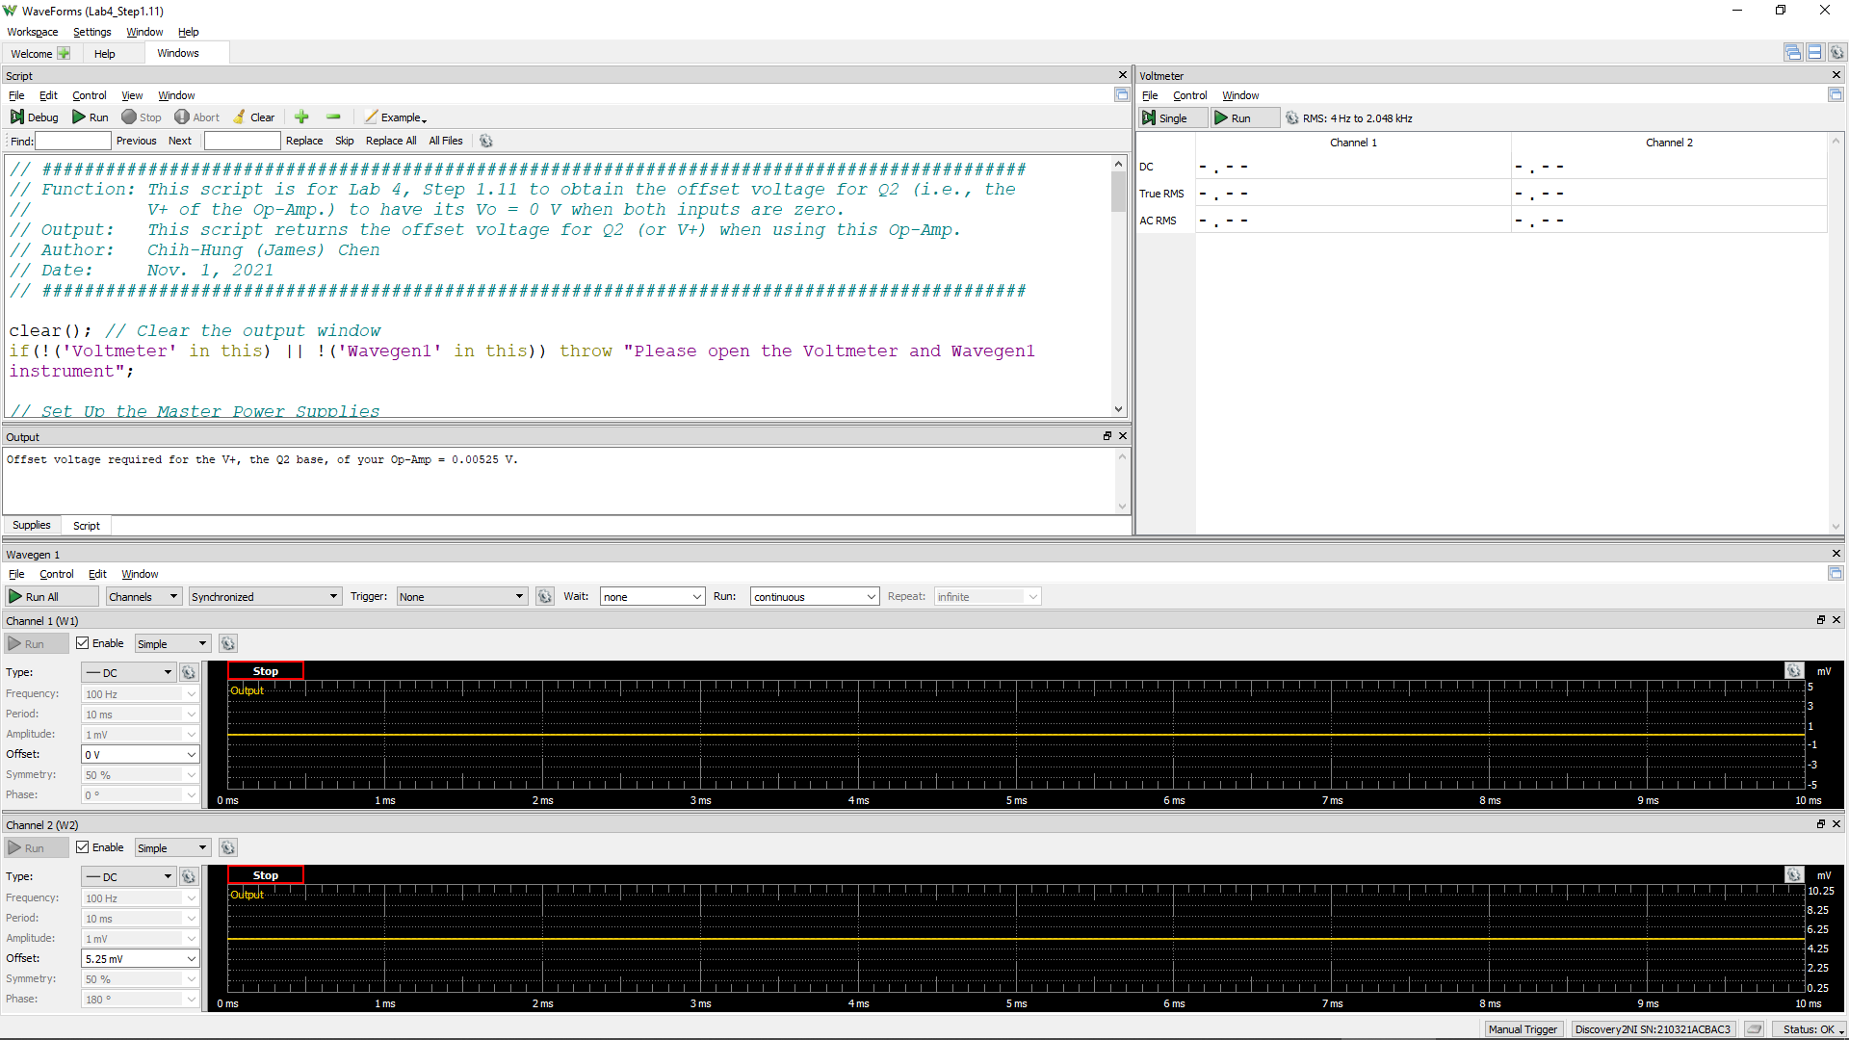
Offset Voltage for Q2
Volt
0.00355

Step 1.13
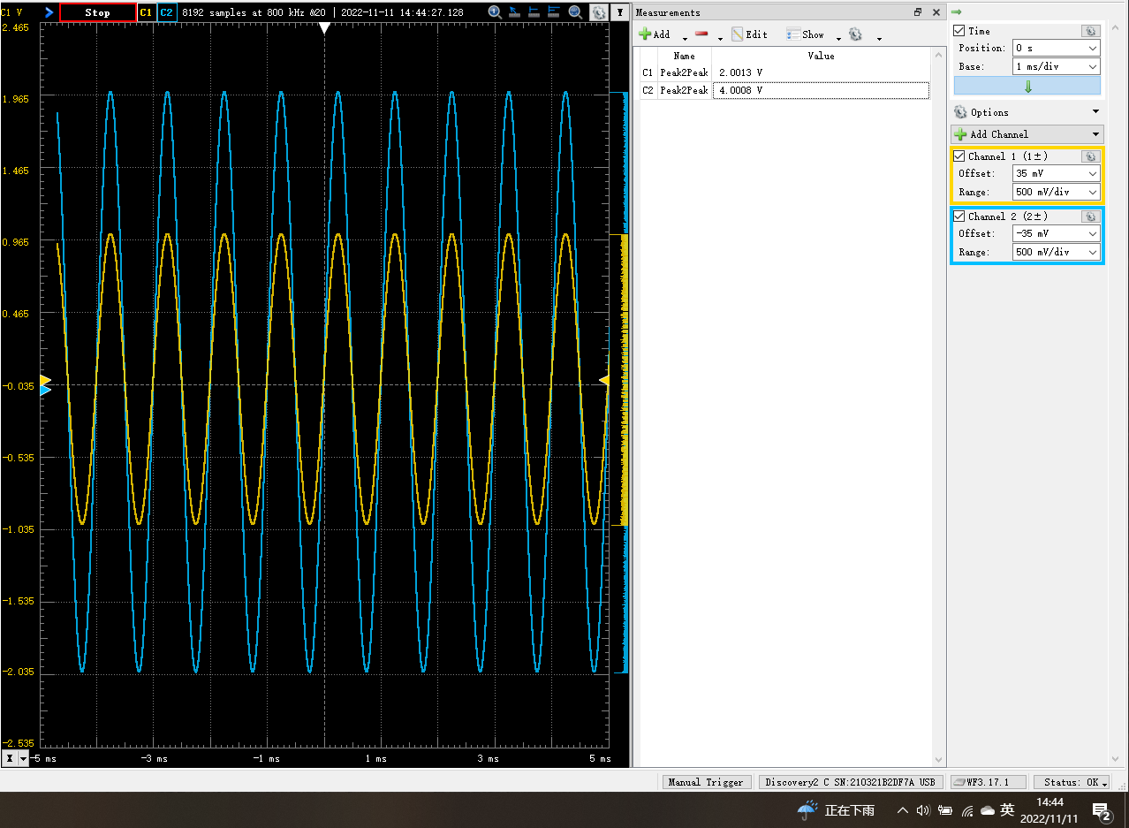
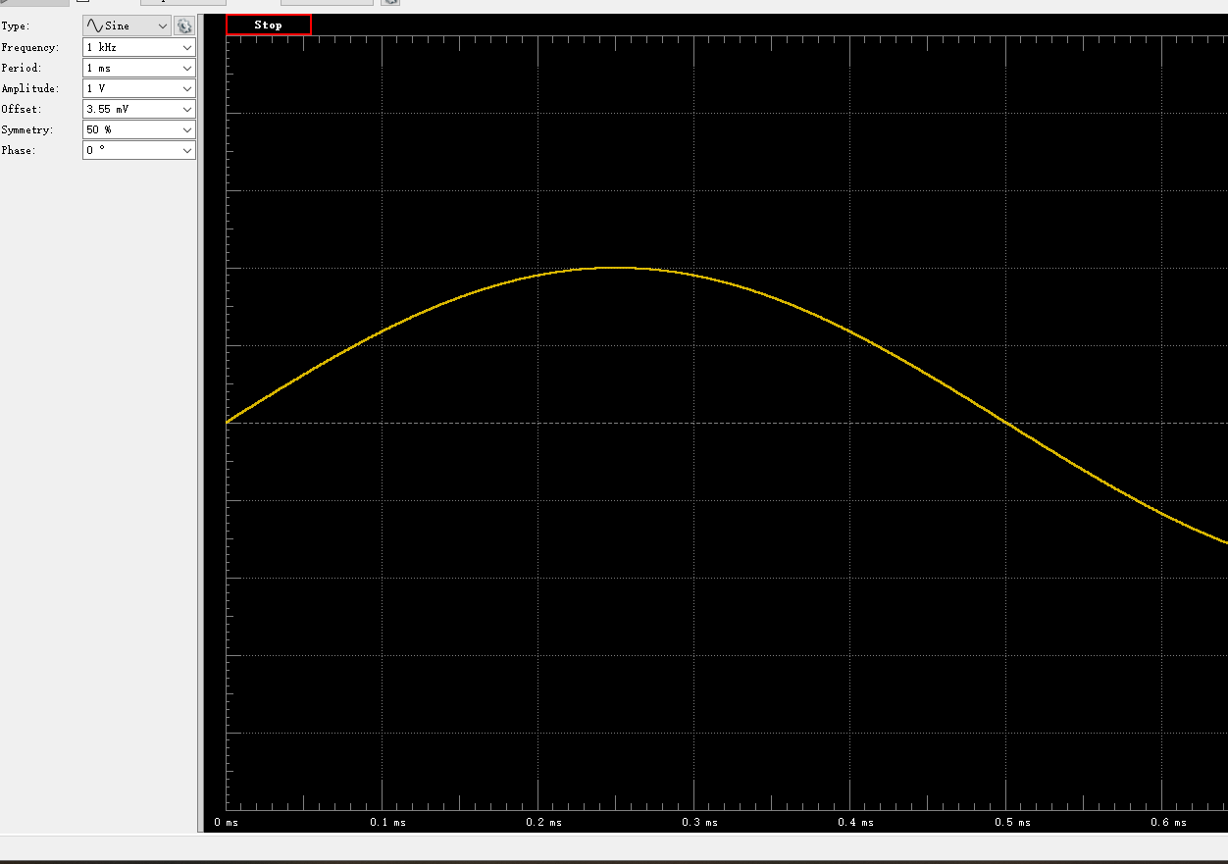
Time (s) | Channel 1 (V) | Channel 2 (V)
-0.00468875 | 0.93126886032 | 1.9064110579
-0.0046875 | 0.92906675872 | 1.901307968
-0.00468625 | 0.92610455254 | 1.8954033398
-0.004685 | 0.92289213144 | 1.8894768295
-0.00468375 | 0.91962249017 | 1.882871244
-0.0046825 | 0.91659175073 | 1.8765319622
-0.00468125 | 0.91346717642 | 1.8706851379
-0.00468 | 0.91044191689 | 1.8640571751
-0.00467875 | 0.90718777009 | 1.8576154186
-0.0046775 | 0.90385541579 | 1.8506471082
-0.00467625 | 0.90035474145 | 1.8436319797
-0.004675 | 0.89663036932 | 1.8364238645
-0.00467375 | 0.8931198436 | 1.829671957
-0.0046725 | 0.88939869472 | 1.821931202
-0.00467125 | 0.88583786316 | 1.8143000996
-0.00467 | 0.88217682556 | 1.8071073973
-0.00466875 | 0.87846841727 | 1.7993636793
-0.0046675 | 0.87439408881 | 1.7910546029
-0.00466625 | 0.87064600091 | 1.7836193538
-0.004665 | 0.86681503731 | 1.7763585336
-0.00466375 | 0.86293362636 | 1.7684109694
-0.0046625 | 0.8588496006 | 1.7601661781
-0.00466125 | 0.85491572854 | 1.7518696597
-0.00466 | 0.85066227268 | 1.7430138558
-0.00465875 | 0.84631477257 | 1.7345716722
-0.0046575 | 0.8422100713 | 1.7264688474
-0.00465625 | 0.83799820632 | 1.7178823662
-0.004655 | 0.8334940302 | 1.7093611535
-0.00465375 | 0.82902138974 | 1.6997050852
-0.0046525 | 0.824551103 | 1.6901291904
-0.00465125 | 0.82018099757 | 1.68129472
-0.00465 | 0.81543807282 | 1.672394519
-0.00464875 | 0.81092033862 | 1.6633765493
-0.0046475 | 0.80620132524 | 1.6545488643
-0.00464625 | 0.8017855018 | 1.6447207253
-0.004645 | 0.79698446775 | 1.6346111522
-0.00464375 | 0.7918652852 | 1.62473565
-0.0046425 | 0.78726363039 | 1.6158735369
-0.00464125 | 0.78260177559 | 1.6058199346
Vo vs Time Characteristics
-0.00468875 | 1.9064110579
-0.0046875 | 1.901307968
-0.00468625 | 1.8954033398
-0.004685 | 1.8894768295
-0.00468375 | 1.882871244
-0.0046825 | 1.8765319622
-0.00468125 | 1.8706851379
-0.00468 | 1.8640571751
-0.00467875 | 1.8576154186
-0.0046775 | 1.8506471082
-0.00467625 | 1.8436319797
-0.004675 | 1.8364238645
-0.00467375 | 1.829671957
-0.0046725 | 1.821931202
-0.00467125 | 1.8143000996
-0.00467 | 1.8071073973
-0.00466875 | 1.7993636793
-0.0046675 | 1.7910546029
-0.00466625 | 1.7836193538
-0.004665 | 1.7763585336
-0.00466375 | 1.7684109694
-0.0046625 | 1.7601661781
-0.00466125 | 1.7518696597
-0.00466 | 1.7430138558
-0.00465875 | 1.7345716722
-0.0046575 | 1.7264688474
-0.00465625 | 1.7178823662
-0.004655 | 1.7093611535
-0.00465375 | 1.6997050852
-0.0046525 | 1.6901291904
-0.00465125 | 1.68129472
-0.00465 | 1.672394519
-0.00464875 | 1.6633765493
-0.0046475 | 1.6545488643
-0.00464625 | 1.6447207253
-0.004645 | 1.6346111522
-0.00464375 | 1.62473565
-0.0046425 | 1.6158735369
-0.00464125 | 1.6058199346
-0.00464 | 1.5956009537
-0.00463875 | 1.5857650899
-0.0046375 | 1.5753625504
-0.00463625 | 1.5649701368
-0.004635 | 1.5547154997
-0.00463375 | 1.5444462749
-0.0046325 | 1.5336552689
-0.00463125 | 1.5235785812
-0.00463 | 1.5123727973
-0.00462875 | 1.5018265322
-0.0046275 | 1.4911863407
...
-0.00464 | 0.77759614299 | 1.5956009537
-0.00463875 | 0.77238548831 | 1.5857650899
-0.0046375 | 0.76729726392 | 1.5753625504
-0.00463625 | 0.76210598957 | 1.5649701368
-0.004635 | 0.75710586626 | 1.5547154997
-0.00463375 | 0.75210909956 | 1.5444462749
-0.0046325 | 0.74661594111 | 1.5336552689
-0.00463125 | 0.74129407518 | 1.5235785812
-0.00463 | 0.7361575113 | 1.5123727973
-0.00462875 | 0.73075627235 | 1.5018265322
-0.0046275 | 0.72528661436 | 1.4911863407
-0.00462625 | 0.72009419718 | 1.4806291304
-0.004625 | 0.7145224055 | 1.4690525355
-0.00462375 | 0.70896412422 | 1.4582369039
-0.0046225 | 0.70312434758 | 1.4467785123
-0.00462125 | 0.69757073418 | 1.435348737
-0.00462 | 0.69205465319 | 1.4237419996
-0.00461875 | 0.68650935243 | 1.4130090795
-0.0046175 | 0.68051844428 | 1.401512702
-0.00461625 | 0.67495281417 | 1.389965217
-0.004615 | 0.6691112111 | 1.3778766048
-0.00461375 | 0.66318176065 | 1.3662343139
-0.0046125 | 0.65687017283 | 1.3535621226
-0.00461125 | 0.65107176271 | 1.3421764947
-0.00461 | 0.64518952163 | 1.3299958607
-0.00460875 | 0.63897610891 | 1.3176595541
-0.0046075 | 0.63309910157 | 1.306412913
-0.00460625 | 0.62710732846 | 1.2937906505
-0.004605 | 0.62062124333 | 1.2811098213
-0.00460375 | 0.61450232756 | 1.2688770031
-0.0046025 | 0.60843304847 | 1.2567298663
-0.00460125 | 0.6020124892 | 1.2434351253
-0.0046 | 0.5956582282 | 1.2306938632
-0.00459875 | 0.58953101666 | 1.2191352184
-0.0045975 | 0.58291046956 | 1.2055064299
-0.00459625 | 0.57644232425 | 1.1922465729
-0.004595 | 0.56978843763 | 1.1791171853
-0.00459375 | 0.56342048525 | 1.1666686921
-0.0045925 | 0.55723517363 | 1.1541500999
-0.00459125 | 0.55061529073 | 1.1411049445
-0.00459 | 0.54399126168 | 1.1274950446
-0.00458875 | 0.53731535592 | 1.1139300969
-0.0045875 | 0.53063648472 | 1.1009051675
-0.00458625 | 0.52390846575 | 1.0878270342
-0.004585 | 0.51742114078 | 1.074929196
-0.00458375 | 0.51065268538 | 1.0611939604
-0.0045825 | 0.50366101583 | 1.0472009512
-0.00458125 | 0.4968488801 | 1.0331406805
-0.00458 | 0.48995323178 | 1.0196605665
-0.00457875 | 0.48321099687 | 1.0058002915
-0.0045775 | 0.47615738047 | 0.99232190788
-0.00457625 | 0.46923828653 | 0.97808663905
-0.004575 | 0.46245729618 | 0.96524512916
-0.00457375 | 0.45531299706 | 0.95052958881
-0.0045725 | 0.44827199584 | 0.93600551804
-0.00457125 | 0.44117968862 | 0.92218780325
-0.00457 | 0.43433693971 | 0.90893308485
-0.00456875 | 0.42728982162 | 0.89387110218
-0.0045675 | 0.41974226361 | 0.87950338811
-0.00456625 | 0.41280467738 | 0.86590743752
-0.004565 | 0.40585072757 | 0.85144806446
-0.00456375 | 0.39838082536 | 0.83631556733
-0.0045625 | 0.39123632337 | 0.82256242596
-0.00456125 | 0.38387512539 | 0.8080538834
-0.00456 | 0.37642434904 | 0.79309992446
-0.00455875 | 0.36936775791 | 0.77922971636
-0.0045575 | 0.36189517805 | 0.76409807411
-0.00455625 | 0.35456208911 | 0.74965937719
-0.004555 | 0.34750120623 | 0.73512039621
-0.00455375 | 0.33999380652 | 0.72026770259
-0.0045525 | 0.3324431097 | 0.70517616439
-0.00455125 | 0.32505601588 | 0.69057078037
-0.00455 | 0.31763195128 | 0.67527174578
-0.00454875 | 0.30989486334 | 0.6602720801
-0.0045475 | 0.30220381702 | 0.64506146374
-0.00454625 | 0.2946905641 | 0.62968903429
-0.004545 | 0.28719963429 | 0.61560540174
-0.00454375 | 0.27977264769 | 0.60065290671
-0.0045425 | 0.2723875489 | 0.58557890622
-0.00454125 | 0.26476834253 | 0.56981929746
-0.00454 | 0.25695004794 | 0.55469577977
-0.00453875 | 0.24950397039 | 0.53980412886
-0.0045375 | 0.24150643462 | 0.52390166362
-0.00453625 | 0.23395659805 | 0.50918407136
-0.004535 | 0.22666103626 | 0.49423740259
-0.00453375 | 0.21895042766 | 0.47890068121
-0.0045325 | 0.21117982626 | 0.46278287877
-0.00453125 | 0.20336570825 | 0.44827872426
-0.00453 | 0.19577303086 | 0.43249609345
-0.00452875 | 0.1878850916 | 0.41641795147
-0.0045275 | 0.17989274147 | 0.4010593964
-0.00452625 | 0.17230258513 | 0.38553626953
-0.004525 | 0.16477756935 | 0.37051464824
-0.00452375 | 0.1568014034 | 0.35471499249
-0.0045225 | 0.14924400584 | 0.33912867939
-0.00452125 | 0.14144589516 | 0.32333726863
-0.00452 | 0.13373532637 | 0.30852518306
-0.00451875 | 0.12595181793 | 0.29264987114
-0.0045175 | 0.11792381084 | 0.27698240466
-0.00451625 | 0.11000052374 | 0.26105196606
-0.004515 | 0.10229164459 | 0.24538555694
-0.00451375 | 0.094249588253 | 0.22896899194
-0.0045125 | 0.08650485058 | 0.21412981731
-0.00451125 | 0.078868493957 | 0.19871268777
-0.00451 | 0.070926355099 | 0.18274496671
-0.00450875 | 0.062904963341 | 0.16700901235
-0.0045075 | 0.055218569854 | 0.15138152341
-0.00450625 | 0.047323355225 | 0.13561681316
-0.004505 | 0.039374165411 | 0.12031904091
-0.00450375 | 0.03162215059 | 0.10434194423
-0.0045025 | 0.023633120056 | 0.088590569233
-0.00450125 | 0.015773363303 | 0.072835395043
-0.0045 | 0.008037662741 | 0.057106458447
-0.00449875 | 0.00024014612704 | 0.041375983057
-0.0044975 | -0.0077984846437 | 0.02565642226
-0.00449625 | -0.015799495781 | 0.0095250128985
-0.004495 | -0.023572931531 | -0.005678815174
-0.00449375 | -0.031442066404 | -0.02184741534
-0.0044925 | -0.039543244553 | -0.037997934466
-0.00449125 | -0.047158830177 | -0.052663982317
-0.00449 | -0.055087830335 | -0.068609614609
-0.00448875 | -0.062976813418 | -0.084346017016
-0.0044875 | -0.070984458221 | -0.10037408673
-0.00448625 | -0.078690607669 | -0.11577280448
-0.004485 | -0.086471460007 | -0.13186757928
-0.00448375 | -0.094380258327 | -0.14760216114
-0.0044825 | -0.1022451711 | -0.16278890243
-0.00448125 | -0.11021232219 | -0.17912898767
-0.00448 | -0.11797472135 | -0.19482818427
-0.00447875 | -0.12562079352 | -0.20969350677
-0.0044775 | -0.13330791728 | -0.22548437633
-0.00447625 | -0.14131341811 | -0.24034658879
-0.004475 | -0.14915316987 | -0.25631777525
-0.00447375 | -0.15695505249 | -0.27217187245
-0.0044725 | -0.16467967861 | -0.28759304376
-0.00447125 | -0.17236844254 | -0.30319534209
-0.00447 | -0.18004485283 | -0.31838918083
-0.00446875 | -0.18765269704 | -0.33367649785
-0.0044675 | -0.19570199542 | -0.34937332446
-0.00446625 | -0.20321791952 | -0.36481194586
-0.004465 | -0.21105677599 | -0.38043779718
-0.00446375 | -0.21885208306 | -0.39609321805
-0.0044625 | -0.22635796113 | -0.41097186583
-0.00446125 | -0.23434041703 | -0.4263337207
-0.00446 | -0.24180993362 | -0.44144154158
-0.00445875 | -0.24924674088 | -0.45664970098
-0.0044575 | -0.25704007847 | -0.4720209838
-0.00445625 | -0.26467032922 | -0.48751755678
-0.004455 | -0.2721055075 | -0.50250799762
-0.00445375 | -0.27960343374 | -0.51684046949
-0.0044525 | -0.2870765099 | -0.53177303215
-0.00445125 | -0.29448806897 | -0.54714032968
-0.00445 | -0.30207526093 | -0.5615771308
-0.00444875 | -0.30946601168 | -0.57756198609
-0.0044475 | -0.3171632484 | -0.59194506774
-0.00444625 | -0.32491666136 | -0.60709272863
-0.004445 | -0.33215159558 | -0.62174653592
-0.00444375 | -0.3394344376 | -0.63622251876
-0.0044425 | -0.34697482806 | -0.65071438876
-0.00444125 | -0.35442788183 | -0.6664300303
-0.00444 | -0.36167546491 | -0.68051566602
-0.00443875 | -0.36904573615 | -0.69489287791
-0.0044375 | -0.37628995801 | -0.70986349012
-0.00443625 | -0.38365396815 | -0.72421974907
-0.004435 | -0.39088765106 | -0.73869877608
-0.00443375 | -0.39800993616 | -0.75312516301
-0.0044325 | -0.40523147272 | -0.76720532673
-0.00443125 | -0.41250592538 | -0.78107984713
-0.00443 | -0.41961003534 | -0.79546993254
-0.00442875 | -0.42676244646 | -0.80960738162
-0.0044275 | -0.43392027839 | -0.82426990598
-0.00442625 | -0.44103768164 | -0.83866908019
-0.004425 | -0.44818467721 | -0.8528088378
-0.00442375 | -0.45493054149 | -0.86586619324
-0.0044225 | -0.46174146551 | -0.87951781185
-0.00442125 | -0.46882789792 | -0.89342934136
-0.00442 | -0.4758378997 | -0.9075105273
-0.00441875 | -0.48250605804 | -0.92116962578
-0.0044175 | -0.48928292614 | -0.93480020483
-0.00441625 | -0.49644754724 | -0.94866187703
-0.004415 | -0.5034520945 | -0.96244989539
-0.00441375 | -0.51024291774 | -0.97624783783
-0.0044125 | -0.51674375285 | -0.98893511013
-0.00441125 | -0.52330422352 | -1.0022356349
-0.00441 | -0.53023191916 | -1.0159783824
-0.00440875 | -0.53687080324 | -1.0291637479
-0.0044075 | -0.54344141872 | -1.0423707291
-0.00440625 | -0.54980183747 | -1.0551702135
-0.004405 | -0.55654976866 | -1.0682332453
-0.00440375 | -0.56304589226 | -1.0815605458
-0.0044025 | -0.56946411739 | -1.0944024659
-0.00440125 | -0.57596853504 | -1.1068362532
-0.0044 | -0.58249900149 | -1.1199217643
-0.00439875 | -0.58868940218 | -1.1322063486
-0.0043975 | -0.5948467233 | -1.1444823324
-0.00439625 | -0.60127197921 | -1.157230405
-0.004395 | -0.60747214649 | -1.1697784927
-0.00439375 | -0.61349543338 | -1.182055285
-0.0043925 | -0.6199335251 | -1.1948552633
-0.00439125 | -0.62621790142 | -1.2068099956
-0.00439 | -0.63207710506 | -1.2183891289
-0.00438875 | -0.63798526795 | -1.2307944465
-0.0043875 | -0.64416324809 | -1.2427669465
-0.00438625 | -0.65023259976 | -1.2550067084
-0.004385 | -0.65590771101 | -1.2659374081
-0.00438375 | -0.66174036663 | -1.2781844078
-0.0043825 | -0.66807357516 | -1.2904837752
-0.00438125 | -0.67405130855 | -1.3019276397
-0.00438 | -0.67953465521 | -1.3130909031
-0.00437875 | -0.68497922525 | -1.3239123691
-0.0043775 | -0.69080256912 | -1.3355969042
-0.00437625 | -0.69652635781 | -1.3469843569
-0.004375 | -0.70208153712 | -1.3578526805
-0.00437375 | -0.70766774216 | -1.3694881763
-0.0043725 | -0.71337630459 | -1.3802777984
-0.00437125 | -0.71884602138 | -1.3914375282
-0.00437 | -0.72401606533 | -1.4021674596
-0.00436875 | -0.72943849855 | -1.4130132752
-0.0043675 | -0.73509136759 | -1.4236867817
-0.00436625 | -0.74017257371 | -1.4338825397
-0.004365 | -0.74493040313 | -1.4433483704
-0.00436375 | -0.75026546522 | -1.4543805036
-0.0043625 | -0.7557609341 | -1.4648898911
-0.00436125 | -0.7609453385 | -1.4749454472
-0.00436 | -0.76587478651 | -1.4855677392
-0.00435875 | -0.77070159939 | -1.4950880337
-0.0043575 | -0.77593259536 | -1.5055922235
-0.00435625 | -0.7808079612 | -1.5149543778
-0.004355 | -0.78569639475 | -1.5245103501
-0.00435375 | -0.79031922776 | -1.5341418778
-0.0043525 | -0.79523196726 | -1.5440196673
-0.00435125 | -0.79979505412 | -1.5533071645
-0.00435 | -0.80451361336 | -1.5624337489
-0.00434875 | -0.80928074954 | -1.5720358776
-0.0043475 | -0.81376924387 | -1.5806579065
-0.00434625 | -0.81820556487 | -1.590018486
-0.004345 | -0.82257974959 | -1.598834044
-0.00434375 | -0.82697601266 | -1.6075240507
-0.0043425 | -0.83136681745 | -1.6166608459
-0.00434125 | -0.8355856516 | -1.6246757056
-0.00434 | -0.83995804951 | -1.6327312803
-0.00433875 | -0.84421971209 | -1.6414972531
-0.0043375 | -0.84840019654 | -1.6496814074
-0.00433625 | -0.85265236741 | -1.6585608235
-0.004335 | -0.85643117503 | -1.6657972541
-0.00433375 | -0.86037827344 | -1.6740798526
-0.0043325 | -0.86477827349 | -1.6821701253
-0.00433125 | -0.86858243583 | -1.6897836251
-0.00433 | -0.87206540771 | -1.6972427112
-0.00432875 | -0.87586368949 | -1.7048977385
-0.0043275 | -0.87947248245 | -1.7118981211
-0.00432625 | -0.88341729412 | -1.7194164913
-0.004325 | -0.88725074727 | -1.7270464836
-0.00432375 | -0.89057126459 | -1.73393709
-0.0043225 | -0.89419208538 | -1.7410717377
-0.00432125 | -0.89763888597 | -1.7478329567
-0.00432 | -0.9009765041 | -1.7548604129
-0.00431875 | -0.90434208606 | -1.7615118209
-0.0043175 | -0.90752963505 | -1.7677127809
-0.00431625 | -0.91071222697 | -1.7742634308
-0.004315 | -0.91376721705 | -1.7805949157
-0.00431375 | -0.91671760649 | -1.7865329357
-0.0043125 | -0.92001165501 | -1.7933035306
-0.00431125 | -0.92302623298 | -1.7989141599
-0.00431 | -0.92615276786 | -1.8048677353
-0.00430875 | -0.92914878663 | -1.8109269189
-0.0043075 | -0.93197716529 | -1.8166125767
-0.00430625 | -0.93464766681 | -1.8216672811
-0.004305 | -0.93727367059 | -1.8265902957
-0.00430375 | -0.93981102837 | -1.8320876189
-0.0043025 | -0.94237891118 | -1.8378577764
-0.00430125 | -0.94512058217 | -1.8430061874
-0.0043 | -0.94741587469 | -1.8475949338
-0.00429875 | -0.95006814132 | -1.853191832
-0.0042975 | -0.9525393148 | -1.8574060214
-0.00429625 | -0.95476274004 | -1.8621271419
-0.004295 | -0.95694429705 | -1.8667839905
-0.00429375 | -0.95895071184 | -1.8710630633
-0.0042925 | -0.9609452727 | -1.8753123305
-0.00429125 | -0.96319405021 | -1.8793791644
-0.00429 | -0.96509193339 | -1.8826766303
-0.00428875 | -0.96719381365 | -1.8871539381
-0.0042875 | -0.96918845264 | -1.890381816
-0.00428625 | -0.97089850789 | -1.8941272585
-0.004285 | -0.97267206519 | -1.8980518682
-0.00428375 | -0.97429598346 | -1.901149567
-0.0042825 | -0.97604803728 | -1.9041948735
-0.00428125 | -0.97790893546 | -1.9080336521
-0.00428 | -0.97934692738 | -1.9108092263
-0.00427875 | -0.98063773538 | -1.9131790544
-0.0042775 | -0.9821081938 | -1.9166236641
-0.00427625 | -0.98328012479 | -1.9188914557
-0.004275 | -0.98442005022 | -1.9212024879
-0.00427375 | -0.98584642421 | -1.9240229091
-0.0042725 | -0.98697524297 | -1.9261221872
-0.00427125 | -0.98799020912 | -1.9279748074
-0.00427 | -0.98928806125 | -1.9302824006
-0.00426875 | -0.99012247176 | -1.932398209
-0.0042675 | -0.99107872588 | -1.9344129654
-0.00426625 | -0.992152553 | -1.9366843882
-0.004265 | -0.99306349835 | -1.9376616106
-0.00426375 | -0.99356561576 | -1.9383130666
-0.0042625 | -0.99436718935 | -1.9404780331
-0.00426125 | -0.99488303096 | -1.9415763316
-0.00426 | -0.99545451913 | -1.9425664338
-0.00425875 | -0.9961389351 | -1.9438214208
-0.0042575 | -0.99650026832 | -1.9444768439
-0.00425625 | -0.99672634498 | -1.944863541
-0.004255 | -0.997186267 | -1.9457283469
-0.00425375 | -0.99730600396 | -1.946275058
-0.0042525 | -0.99779748551 | -1.9467880091
-0.00425125 | -0.99774152105 | -1.9465002104
-0.00425 | -0.99766710933 | -1.9465279674
-0.00424875 | -0.99760964824 | -1.9465228502
-0.0042475 | -0.9976743568 | -1.9467809825
-0.00424625 | -0.99759287712 | -1.9461001252
-0.004245 | -0.99746605571 | -1.9457895267
-0.00424375 | -0.99714516675 | -1.9452574907
-0.0042425 | -0.99664138071 | -1.9448159248
-0.00424125 | -0.99654548912 | -1.9440531012
-0.00424 | -0.99607595086 | -1.9432471754
-0.00423875 | -0.99539932589 | -1.9418215128
-0.0042375 | -0.99496604329 | -1.9410146045
-0.00423625 | -0.99440098362 | -1.9399104147
-0.004235 | -0.99374115968 | -1.9384610175
-0.00423375 | -0.99272481569 | -1.9365135284
-0.0042325 | -0.9918088565 | -1.9350065367
-0.00423125 | -0.99104795016 | -1.9330889469
-0.00423 | -0.99019019112 | -1.9311358427
-0.00422875 | -0.98924893701 | -1.9295073944
-0.0042275 | -0.98826865297 | -1.9273922646
-0.00422625 | -0.98710549153 | -1.924752302
-0.004225 | -0.98592806089 | -1.9228078429
-0.00422375 | -0.98459376138 | -1.9205487126
-0.0042225 | -0.98319585854 | -1.9174532
-0.00422125 | -0.98201109139 | -1.9146141532
-0.00422 | -0.98096424448 | -1.9123161484
-0.00421875 | -0.97925339633 | -1.9088613329
-0.0042175 | -0.97764413237 | -1.9059063525
-0.00421625 | -0.97606078316 | -1.902644767
-0.004215 | -0.97445377594 | -1.8990668092
-0.00421375 | -0.97262622114 | -1.8953257907
-0.0042125 | -0.9707912527 | -1.8917323153
-0.00421125 | -0.96896017034 | -1.8882780456
-0.00421 | -0.96698061759 | -1.8843934881
-0.00420875 | -0.96511487382 | -1.8812185115
-0.0042075 | -0.96295783967 | -1.8767311926
-0.00420625 | -0.96101095976 | -1.8724060527
-0.004205 | -0.95899906489 | -1.8683979363
-0.00420375 | -0.95685682821 | -1.864402745
-0.0042025 | -0.95454209689 | -1.8595461542
-0.00420125 | -0.95230993607 | -1.8550020801
-0.0042 | -0.94994048634 | -1.850221251
-0.00419875 | -0.94746425888 | -1.8447862018
-0.0041975 | -0.94491312068 | -1.8397133137
-0.00419625 | -0.94217602668 | -1.8341102115
-0.004195 | -0.93996829952 | -1.8298025546
-0.00419375 | -0.93734899992 | -1.8248919117
-0.0041925 | -0.93436448025 | -1.8187659528
-0.00419125 | -0.93181732887 | -1.8131438137
-0.00419 | -0.92891021349 | -1.8072796668
-0.00418875 | -0.92608209476 | -1.8017255863
-0.0041875 | -0.92302923665 | -1.7952321359
-0.00418625 | -0.91987188395 | -1.7893138029
-0.004185 | -0.91671731359 | -1.7832798138
-0.00418375 | -0.91355123504 | -1.7767360868
-0.0041825 | -0.91063081962 | -1.7709854058
-0.00418125 | -0.90770075793 | -1.7647734023
-0.00418 | -0.9041207462 | -1.7581174089
-0.00417875 | -0.90078307164 | -1.7506541285
-0.0041775 | -0.89746189168 | -1.7440531019
-0.00417625 | -0.89406090216 | -1.7369650779
-0.004175 | -0.89078964041 | -1.7302253048
-0.00417375 | -0.88726667469 | -1.7231083825
-0.0041725 | -0.88328584964 | -1.7151658857
-0.00417125 | -0.87959012632 | -1.7083622028
-0.00417 | -0.87571905471 | -1.7004969404
-0.00416875 | -0.87195517062 | -1.6927622646
-0.0041675 | -0.86831036192 | -1.6854565641
-0.00416625 | -0.86432872962 | -1.6772762891
-0.004165 | -0.86017069341 | -1.6690352905
-0.00416375 | -0.85628136769 | -1.6617509461
-0.0041625 | -0.85244676712 | -1.6536072345
-0.00416125 | -0.84841919573 | -1.6455125001
-0.00416 | -0.84447784332 | -1.637365903
-0.00415875 | -0.84001580384 | -1.6283120508
-0.0041575 | -0.83560703872 | -1.6198737964
-0.00415625 | -0.83109420771 | -1.6105283948
-0.004155 | -0.82702090595 | -1.6026688004
-0.00415375 | -0.8226345292 | -1.5936531649
-0.0041525 | -0.81801456575 | -1.5844106099
-0.00415125 | -0.81361558191 | -1.5762405966
-0.00415 | -0.80917826026 | -1.5670322485
-0.00414875 | -0.80474454231 | -1.5576475702
-0.0041475 | -0.79969078415 | -1.547807569
-0.00414625 | -0.79485680973 | -1.5384230234
-0.004145 | -0.79018587303 | -1.5285767242
-0.00414375 | -0.78546440314 | -1.519298076
-0.0041425 | -0.78057566441 | -1.5094018053
-0.00414125 | -0.77573123406 | -1.4995877477
-0.00414 | -0.77076113066 | -1.4896957908
-0.00413875 | -0.76540761826 | -1.4792543265
-0.0041375 | -0.76062308091 | -1.4689916132
-0.00413625 | -0.75565082944 | -1.4594988729
-0.004135 | -0.75021877475 | -1.4487327672
-0.00413375 | -0.74522909773 | -1.4381647585
-0.0041325 | -0.74008810176 | -1.4281964886
-0.00413125 | -0.73475833765 | -1.4174426494
-0.00413 | -0.72928051807 | -1.4060733606
-0.00412875 | -0.7237316245 | -1.395651481
-0.0041275 | -0.71851227113 | -1.3859253622
-0.00412625 | -0.71303971286 | -1.3742648121
-0.004125 | -0.7074557571 | -1.3628344903
-0.00412375 | -0.70170668321 | -1.351012688
-0.0041225 | -0.696117827 | -1.3404323046
-0.00412125 | -0.69047480403 | -1.3293780746
-0.00412 | -0.68510577618 | -1.3186174792
-0.00411875 | -0.67950498702 | -1.3068052708
-0.0041175 | -0.67382676656 | -1.2953539595
...

Step 1.14
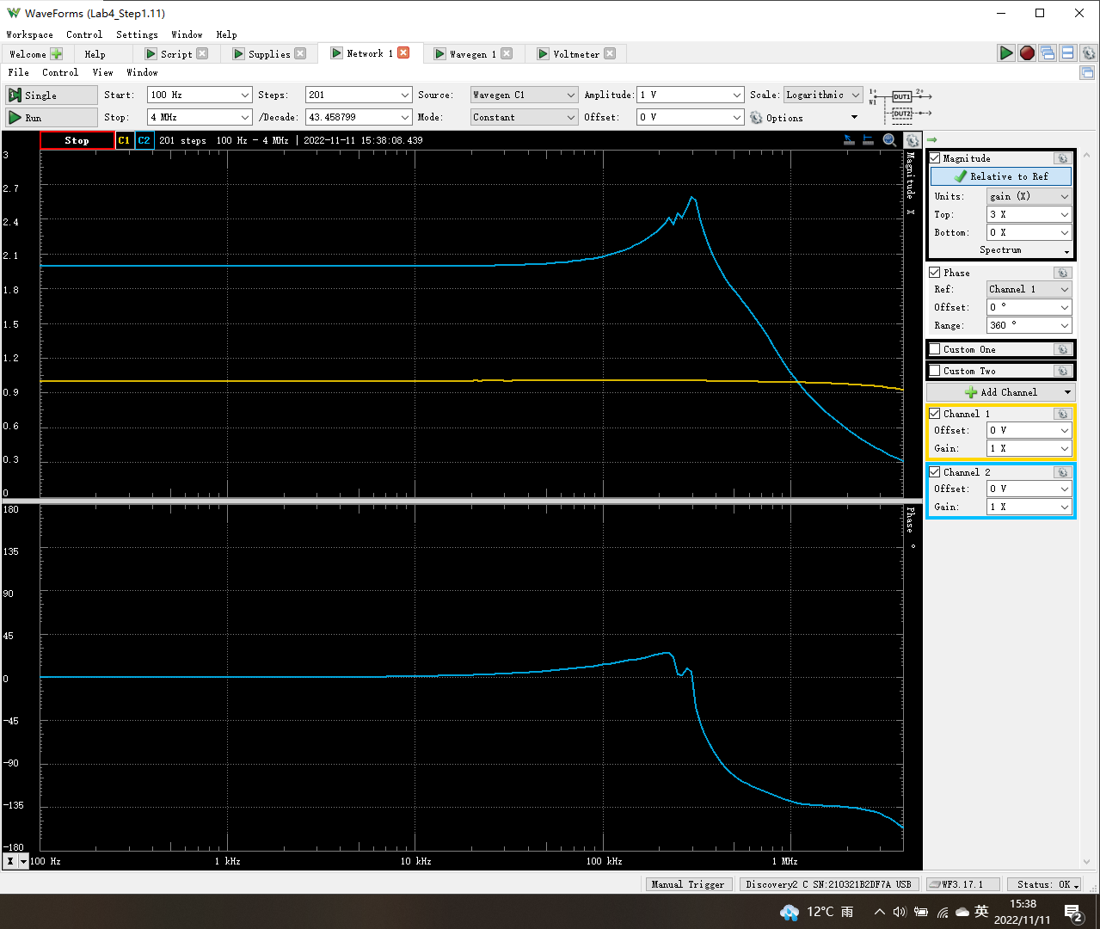
Frequency (Hz) | Channel1 (V1) Magnitude (X) | Channel2 (V2) Magnitude (X) | Channel2 (V2) Phase (°) | freq (log)
100 | 1.0012689508 | 1.9974718236 | 0.012244914079 | 2
105.44119031 | 1.0012647211 | 1.9975006551 | 0.012654511247 | 2.0230103
Gain Magnitude vs Frequency
2 | 1.9974718236
2.0230103 | 1.9975006551
2.0460205999 | 1.9974632692
2.0690308999 | 1.9974624097
2.0920411998 | 1.9974885072
2.1150514998 | 1.9974550996
2.1380617997 | 1.9974234791
2.1610720997 | 1.9974089969
2.1840823997 | 1.9973598481
2.2070926996 | 1.9973460236
2.2301029996 | 1.9972871417
2.2531132995 | 1.9974732955
2.2761235995 | 1.997377194
2.2991338994 | 1.9973849815
2.3221441994 | 1.9974091989
2.3451544993 | 1.9973911565
2.3681647993 | 1.9973552984
2.3911750993 | 1.9973880436
2.4141853992 | 1.9973505096
2.4371956992 | 1.9973911943
2.4602059991 | 1.9974435909
2.4832162991 | 1.9973972892
2.506226599 | 1.9973374939
2.529236899 | 1.9973693483
2.552247199 | 1.9974260204
2.5752574989 | 1.9973363128
2.5982677989 | 1.9973753106
2.6212780988 | 1.9973584478
2.6442883988 | 1.9973669717
2.6672986987 | 1.9974029764
2.6903089987 | 1.9974601046
2.7133192987 | 1.9973588442
2.7363295986 | 1.997377049
2.7593398986 | 1.997378701
2.7823501985 | 1.9973566256
2.8053604985 | 1.997300973
2.8283707984 | 1.9973660952
2.8513810984 | 1.9973659526
2.8743913984 | 1.997375266
2.8974016983 | 1.9973783
2.9204119983 | 1.9973594614
2.9434222982 | 1.9973118871
2.9664325982 | 1.99726893
2.9894428981 | 1.9973463065
3.0124531981 | 1.9973565354
3.035463498 | 1.9973096792
3.058473798 | 1.9973010295
3.081484098 | 1.9972837006
3.1044943979 | 1.9972666319
3.1275046979 | 1.9973179951
...
111.17844614 | 1.0012787406 | 1.9974632692 | 0.013887238796 | 2.0460205999
117.22787697 | 1.0012824701 | 1.9974624097 | 0.014369599209 | 2.0690308999
123.60646885 | 1.0012868235 | 1.9974885072 | 0.015255509704 | 2.0920411998
130.33213206 | 1.0012673143 | 1.9974550996 | 0.015330205936 | 2.1150514998
137.42375139 | 1.0012829289 | 1.9974234791 | 0.016773718713 | 2.1380617997
144.90123924 | 1.0012921933 | 1.9974089969 | 0.016930872274 | 2.1610720997
152.78559142 | 1.0012831247 | 1.9973598481 | 0.018075687054 | 2.1840823997
161.09894622 | 1.0012776924 | 1.9973460236 | 0.018952015925 | 2.2070926996
169.86464646 | 1.001304857 | 1.9972871417 | 0.020808534485 | 2.2301029996
179.10730514 | 1.0012743486 | 1.9974732955 | 0.021570058728 | 2.2531132995
188.85287447 | 1.0012788991 | 1.997377194 | 0.022258332498 | 2.2761235995
199.12871878 | 1.0013090654 | 1.9973849815 | 0.025069911584 | 2.2991338994
209.96369132 | 1.0012927926 | 1.9974091989 | 0.025577856604 | 2.3221441994
221.38821535 | 1.0013048888 | 1.9973911565 | 0.027678621885 | 2.3451544993
233.43436946 | 1.0013162352 | 1.9973552984 | 0.027242811265 | 2.3681647993
246.13597775 | 1.001300451 | 1.9973880436 | 0.029709550594 | 2.3911750993
Phase vs Frequency
2 | 0.012244914079
2.0230103 | 0.012654511247
2.0460205999 | 0.013887238796
2.0690308999 | 0.014369599209
2.0920411998 | 0.015255509704
2.1150514998 | 0.015330205936
2.1380617997 | 0.016773718713
2.1610720997 | 0.016930872274
2.1840823997 | 0.018075687054
2.2070926996 | 0.018952015925
2.2301029996 | 0.020808534485
2.2531132995 | 0.021570058728
2.2761235995 | 0.022258332498
2.2991338994 | 0.025069911584
2.3221441994 | 0.025577856604
2.3451544993 | 0.027678621885
2.3681647993 | 0.027242811265
2.3911750993 | 0.029709550594
2.4141853992 | 0.030986834535
2.4371956992 | 0.034007198365
2.4602059991 | 0.034502586588
2.4832162991 | 0.037681659985
2.506226599 | 0.037459486468
2.529236899 | 0.040643631058
2.552247199 | 0.041674981649
2.5752574989 | 0.045166633173
2.5982677989 | 0.046925308216
2.6212780988 | 0.049070119877
2.6442883988 | 0.052964830084
2.6672986987 | 0.054773069713
2.6903089987 | 0.06011351375
2.7133192987 | 0.062342668416
2.7363295986 | 0.066302413615
2.7593398986 | 0.068037019751
2.7823501985 | 0.070392001795
2.8053604985 | 0.074036367994
2.8283707984 | 0.080414826706
2.8513810984 | 0.083966647013
2.8743913984 | 0.087692204587
2.8974016983 | 0.094289931106
2.9204119983 | 0.096447826902
2.9434222982 | 0.10368600501
2.9664325982 | 0.10807013818
2.9894428981 | 0.11441540178
3.0124531981 | 0.12216725434
3.035463498 | 0.12852158226
3.058473798 | 0.13355005063
3.081484098 | 0.14195212672
3.1044943979 | 0.1504903348
3.1275046979 | 0.15865155886
...
259.52870472 | 1.0013109951 | 1.9973505096 | 0.030986834535 | 2.4141853992
273.65015544 | 1.0012907233 | 1.9973911943 | 0.034007198365 | 2.4371956992
288.53998118 | 1.0012875527 | 1.9974435909 | 0.034502586588 | 2.4602059991
304.23999067 | 1.0012807427 | 1.9973972892 | 0.037681659985 | 2.4832162991
320.79426756 | 1.0012773134 | 1.9973374939 | 0.037459486468 | 2.506226599
338.24929416 | 1.0012766446 | 1.9973693483 | 0.040643631058 | 2.529236899
356.65408197 | 1.0012571781 | 1.9974260204 | 0.041674981649 | 2.552247199
376.06030931 | 1.001286268 | 1.9973363128 | 0.045166633173 | 2.5752574989
396.52246641 | 1.0012859874 | 1.9973753106 | 0.046925308216 | 2.5982677989
418.09800842 | 1.0012918253 | 1.9973584478 | 0.049070119877 | 2.6212780988
440.84751674 | 1.0012872215 | 1.9973669717 | 0.052964830084 | 2.6442883988
464.83486909 | 1.0012702536 | 1.9974029764 | 0.054773069713 | 2.6672986987
490.12741894 | 1.0012742354 | 1.9974601046 | 0.06011351375 | 2.6903089987
516.79618456 | 1.0012703372 | 1.9973588442 | 0.062342668416 | 2.7133192987
544.91604846 | 1.0012969001 | 1.997377049 | 0.066302413615 | 2.7363295986
574.56596768 | 1.0012813002 | 1.997378701 | 0.068037019751 | 2.7593398986
605.82919543 | 1.001315267 | 1.9973566256 | 0.070392001795 | 2.7823501985
638.7935149 | 1.0013281787 | 1.997300973 | 0.074036367994 | 2.8053604985
673.55148572 | 1.0013140208 | 1.9973660952 | 0.080414826706 | 2.8283707984
710.20070388 | 1.0013045125 | 1.9973659526 | 0.083966647013 | 2.8513810984
748.84407575 | 1.0013091831 | 1.997375266 | 0.087692204587 | 2.8743913984
789.59010702 | 1.0013046994 | 1.9973783 | 0.094289931106 | 2.8974016983
832.5532074 | 1.0013254248 | 1.9973594614 | 0.096447826902 | 2.9204119983
877.85401183 | 1.0013344746 | 1.9973118871 | 0.10368600501 | 2.9434222982
925.61971925 | 1.0013688132 | 1.99726893 | 0.10807013818 | 2.9664325982
975.9844497 | 1.0013340357 | 1.9973463065 | 0.11441540178 | 2.9894428981
...

Step 2.4
Vout vs Time Characteristics for R2 = 240 kΩ
0 | 6.130929E-07
0.00076154074757 | -6.407446E-07
0.00076745057155 | -4.167198E-06
0.00077336039553 | -5.570629E-06
0.0007792702195 | -4.851036E-06
0.00078518004348 | -2.008421E-06
0.00079108986745 | 2.957217E-06
0.00079699969143 | 1.004588E-05
0.00080290951541 | 1.925756E-05
0.00080703912896 | 7.886274E-06
0.00081116874252 | -2.083139E-06
0.00081529835607 | -1.065068E-05
0.00081942796963 | -1.781634E-05
0.00082355758318 | -2.358012E-05
0.00082768719674 | -2.794203E-05
0.00083181681029 | -3.090206E-05
0.00083530048963 | -1.08369E-05
0.00083878416897 | 7.179122E-06
0.00084226784831 | 2.314601E-05
0.00084575152765 | 3.706377E-05
0.00084923520699 | 4.893239E-05
0.00085271888633 | 5.875188E-05
0.00085620256567 | 6.652223E-05
0.00086292180161 | 2.634835E-05
0.0008736565767 | -9.304456E-05
0.00087984871465 | -0.0001291978
0.00088295096412 | -0.0001219039
0.00088614229285 | -9.280575E-05
0.00089325674111 | 3.628921E-05
0.00090010910962 | 0.0001842225
0.00090335307874 | 0.0002311631
0.00090646691489 | 0.0002482552
0.00090938989366 | 0.0002301535
0.00091275944745 | 0.0001662259
0.00091618026851 | 5.989395E-05
0.00091997820367 | -9.163684E-05
0.00092389252735 | -0.0002582597
0.00092671269946 | -0.0003645581
0.00092978028003 | -0.000445229
0.00093254662704 | -0.0004721372
0.00093540451963 | -0.0004393039
0.00093867907046 | -0.0003247757
0.00094211485669 | -0.0001256786
0.00094585349598 | 0.0001552539
0.00094975430327 | 0.0004717346
0.00095260171298 | 0.0006792353
0.00095569398572 | 0.0008405202
0.00095844888852 | 0.0008994543
0.0009612815114 | 0.0008473328
0.00096454726702 | 0.0006421113
...
Time | v(vout)
Seconds | Volts
0 | 6.130929E-07
0.00076154074757 | -6.407446E-07
0.00076745057155 | -4.167198E-06
0.00077336039553 | -5.570629E-06
0.0007792702195 | -4.851036E-06
0.00078518004348 | -2.008421E-06
0.00079108986745 | 2.957217E-06
0.00079699969143 | 1.004588E-05
0.00080290951541 | 1.925756E-05
0.00080703912896 | 7.886274E-06
0.00081116874252 | -2.083139E-06
0.00081529835607 | -1.065068E-05
0.00081942796963 | -1.781634E-05
0.00082355758318 | -2.358012E-05
0.00082768719674 | -2.794203E-05
0.00083181681029 | -3.090206E-05
0.00083530048963 | -1.08369E-05
0.00083878416897 | 7.179122E-06
0.00084226784831 | 2.314601E-05
0.00084575152765 | 3.706377E-05
0.00084923520699 | 4.893239E-05
0.00085271888633 | 5.875188E-05
0.00085620256567 | 6.652223E-05
0.00086292180161 | 2.634835E-05
0.0008736565767 | -9.304456E-05
0.00087984871465 | -0.0001291978
0.00088295096412 | -0.0001219039
0.00088614229285 | -9.280575E-05
0.00089325674111 | 3.628921E-05
0.00090010910962 | 0.0001842225
0.00090335307874 | 0.0002311631
0.00090646691489 | 0.0002482552
0.00090938989366 | 0.0002301535
0.00091275944745 | 0.0001662259
0.00091618026851 | 5.989395E-05
0.00091997820367 | -9.163684E-05
0.00092389252735 | -0.0002582597
0.00092671269946 | -0.0003645581
0.00092978028003 | -0.000445229
0.00093254662704 | -0.0004721372
...

Step 2.5
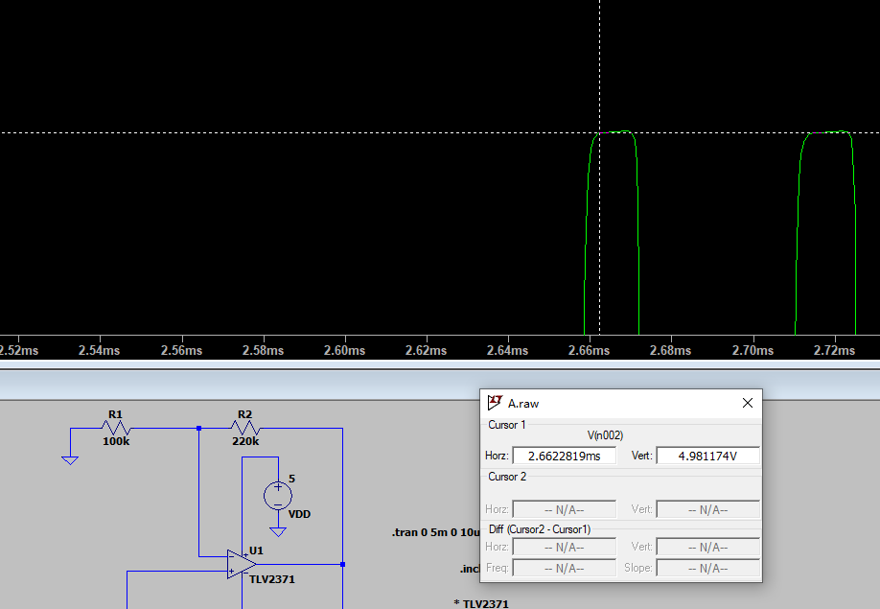
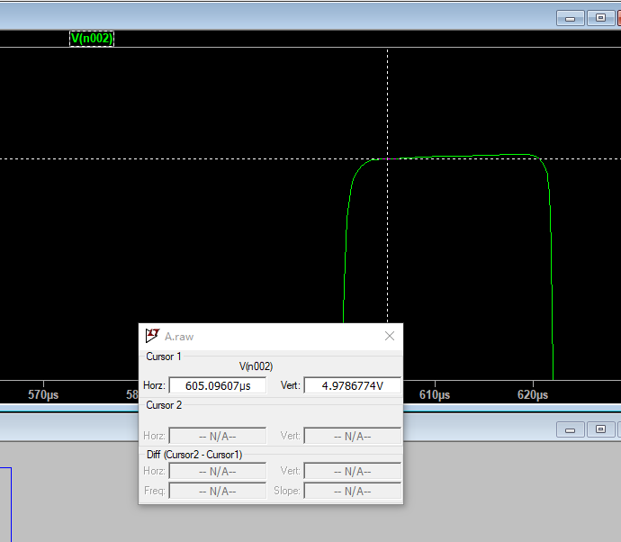
R2 = 220 kΩ | R2 = 240 kΩ | R2 = 280 kΩ
Settling Time (ms) | Settling Time (ms) | Settling Time (ms)
2.6622819 | 1.327 | 0.60509607

 | 0.0013270312727

Step 2.6
Vout vs Time Characteristics for R3 = R4 = 4.02 kΩ
0.00E+00 | 6.27E-07
5.76E-04 | 8.77E-07
5.78E-04 | -3.33E-06
5.81E-04 | -5.41E-06
5.84E-04 | -5.35E-06
5.87E-04 | -3.16E-06
5.90E-04 | 1.17E-06
5.92E-04 | 7.63E-06
5.95E-04 | 1.62E-05
5.97E-04 | 1.28E-05
5.99E-04 | 8.29E-06
6.00E-04 | 2.70E-06
6.02E-04 | -3.96E-06
6.04E-04 | -1.17E-05
6.06E-04 | -2.05E-05
6.07E-04 | -3.04E-05
6.12E-04 | -1.21E-05
6.18E-04 | 4.49E-05
6.21E-04 | 6.38E-05
6.24E-04 | 4.39E-05
6.29E-04 | -6.93E-05
6.30E-04 | -9.83E-05
6.32E-04 | -1.20E-04
6.33E-04 | -1.27E-04
6.35E-04 | -1.16E-04
6.36E-04 | -8.18E-05
6.40E-04 | 5.50E-05
6.42E-04 | 1.43E-04
6.43E-04 | 2.01E-04
6.45E-04 | 2.43E-04
6.46E-04 | 2.53E-04
6.47E-04 | 2.25E-04
6.49E-04 | 1.44E-04
6.51E-04 | 2.14E-05
6.53E-04 | -1.47E-04
6.55E-04 | -3.25E-04
6.56E-04 | -4.36E-04
6.58E-04 | -4.99E-04
6.59E-04 | -4.88E-04
6.61E-04 | -3.91E-04
6.62E-04 | -1.91E-04
6.64E-04 | 9.26E-05
6.66E-04 | 4.42E-04
6.67E-04 | 7.10E-04
6.69E-04 | 9.25E-04
6.70E-04 | 1.01E-03
6.72E-04 | 9.57E-04
6.73E-04 | 7.17E-04
6.75E-04 | 2.91E-04
6.77E-04 | -3.22E-04
...
Time | v(vout)
Seconds | Volts
0.00E+00 | 6.27E-07
5.76E-04 | 8.77E-07
5.78E-04 | -3.33E-06
5.81E-04 | -5.41E-06
5.84E-04 | -5.35E-06
5.87E-04 | -3.16E-06
5.90E-04 | 1.17E-06
5.92E-04 | 7.63E-06
5.95E-04 | 1.62E-05
5.97E-04 | 1.28E-05
5.99E-04 | 8.29E-06
6.00E-04 | 2.70E-06
6.02E-04 | -3.96E-06
6.04E-04 | -1.17E-05
6.06E-04 | -2.05E-05
6.07E-04 | -3.04E-05
6.12E-04 | -1.21E-05
6.18E-04 | 4.49E-05
6.21E-04 | 6.38E-05
6.24E-04 | 4.39E-05
6.29E-04 | -6.93E-05
6.30E-04 | -9.83E-05
6.32E-04 | -1.20E-04
6.33E-04 | -1.27E-04
6.35E-04 | -1.16E-04
6.36E-04 | -8.18E-05
6.40E-04 | 5.50E-05
6.42E-04 | 1.43E-04
6.43E-04 | 2.01E-04
6.45E-04 | 2.43E-04
6.46E-04 | 2.53E-04
6.47E-04 | 2.25E-04
6.49E-04 | 1.44E-04
6.51E-04 | 2.14E-05
6.53E-04 | -1.47E-04
6.55E-04 | -3.25E-04
6.56E-04 | -4.36E-04
6.58E-04 | -4.99E-04
6.59E-04 | -4.88E-04
6.61E-04 | -3.91E-04
...

Step 2.9
Time (s) | Channel 1 (V) | C1 | Frequency | 17.634 kHz
-0.00028669789474 | -2.5453103388 | C1 | Period | 56.708 us
-0.00028662789474 | -2.5041611639 | C1 | Amplitude | 4.9921 V
-0.00028655789474 | -2.459271155 | C1 | Maximum | 5.0224 V
-0.00028648789474 | -2.4031586437 | C1 | Minimum | -5.02548 V
Measured Vout vs Time Characteristics when R3=R4=8.25K
-0.00028669789474 | -2.5453103388
-0.00028662789474 | -2.5041611639
-0.00028655789474 | -2.459271155
-0.00028648789474 | -2.4031586437
-0.00028641789474 | -2.3507869666
-0.00028634789474 | -2.2984152894
-0.00028627789474 | -2.2497844464
-0.00028620789474 | -2.1936719352
-0.00028613789474 | -2.1375594239
-0.00028606789474 | -2.0814469127
-0.00028599789474 | -2.0328160697
-0.00028592789474 | -1.9804443925
-0.00028585789474 | -1.9355543835
-0.00028578789474 | -1.8794418723
-0.00028571789474 | -1.8308110292
-0.00028564789474 | -1.7784393521
-0.00028557789474 | -1.7223268409
-0.00028550789474 | -1.6549918274
-0.00028543789474 | -1.5988793162
-0.00028536789474 | -1.542766805
-0.00028529789474 | -1.497876796
-0.00028522789474 | -1.4342826166
-0.00028515789474 | -1.3706884372
-0.00028508789474 | -1.3108350919
-0.00028501789474 | -1.2584634148
-0.00028494789474 | -1.1986100694
-0.00028487789474 | -1.1462383923
-0.00028480789474 | -1.086385047
-0.00028473789474 | -1.0227908676
-0.00028466789474 | -0.9629375223
-0.00028459789474 | -0.91056584516
-0.00028452789474 | -0.85071249985
-0.00028445789474 | -0.79459998863
-0.00028438789474 | -0.73848747741
-0.00028431789474 | -0.6786341321
-0.00028424789474 | -0.61503995271
-0.00028417789474 | -0.55892744149
-0.00028410789474 | -0.49159242802
-0.00028403789474 | -0.42799824863
-0.00028396789474 | -0.36814490332
-0.00028389789474 | -0.30080988985
-0.00028382789474 | -0.23721571047
-0.00028375789474 | -0.169880697
-0.00028368789474 | -0.11002735169
-0.00028361789474 | -0.061396508629
-0.00028354789474 | 0.0059385048407
-0.00028347789474 | 0.058310181984
-0.00028340789474 | 0.12190436137
-0.00028333789474 | 0.18923937484
-0.00028326789474 | 0.24909272015
...
-0.00028641789474 | -2.3507869666
-0.00028634789474 | -2.2984152894
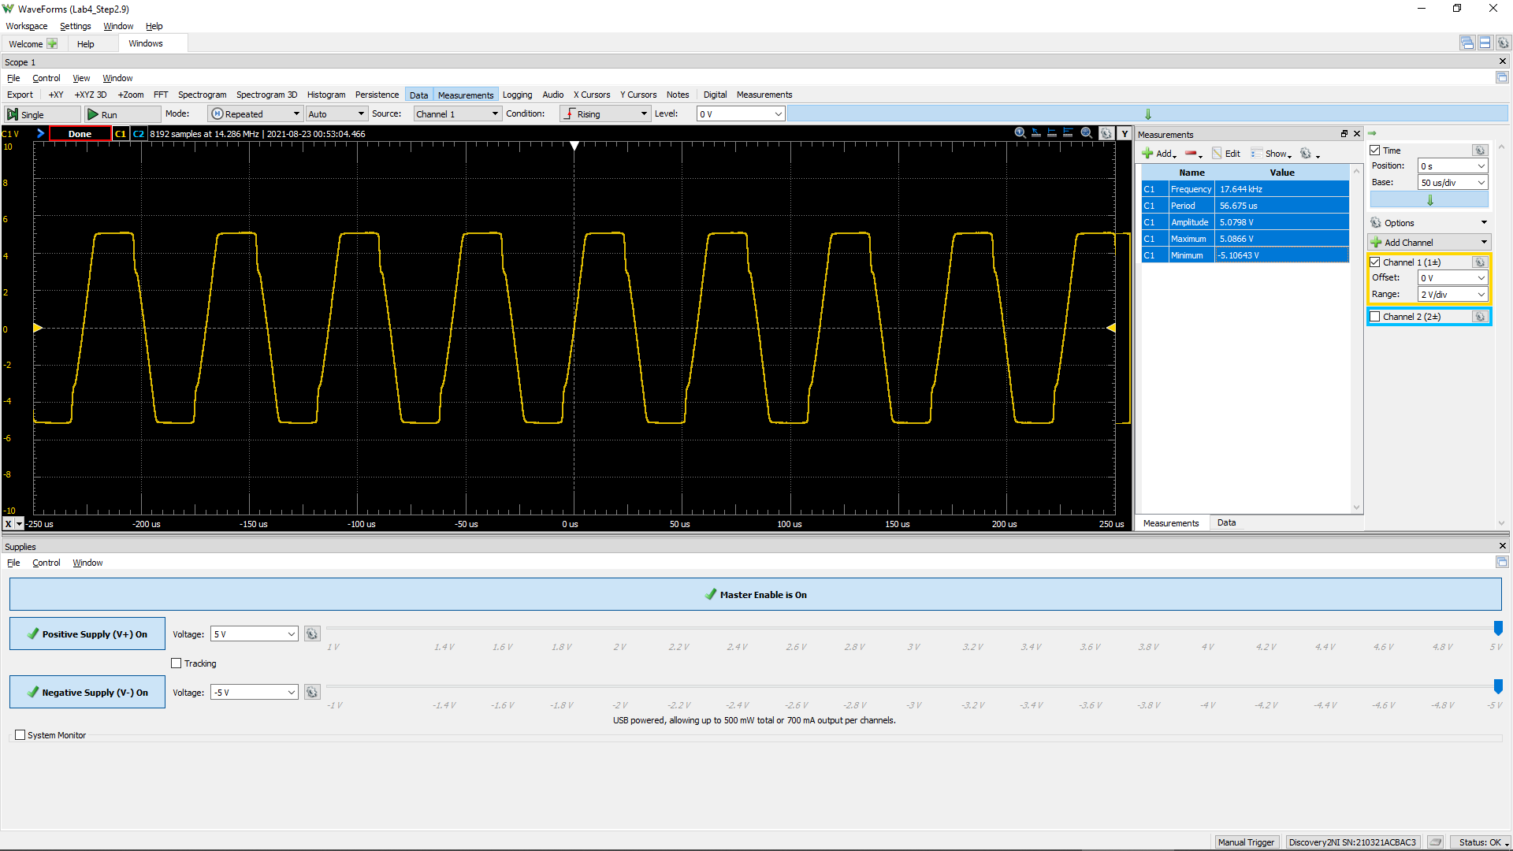
-0.00028627789474 | -2.2497844464
-0.00028620789474 | -2.1936719352
-0.00028613789474 | -2.1375594239
-0.00028606789474 | -2.0814469127
-0.00028599789474 | -2.0328160697
-0.00028592789474 | -1.9804443925
-0.00028585789474 | -1.9355543835
-0.00028578789474 | -1.8794418723
-0.00028571789474 | -1.8308110292
-0.00028564789474 | -1.7784393521
-0.00028557789474 | -1.7223268409
-0.00028550789474 | -1.6549918274
-0.00028543789474 | -1.5988793162
-0.00028536789474 | -1.542766805
-0.00028529789474 | -1.497876796
-0.00028522789474 | -1.4342826166
-0.00028515789474 | -1.3706884372
-0.00028508789474 | -1.3108350919
-0.00028501789474 | -1.2584634148
-0.00028494789474 | -1.1986100694
-0.00028487789474 | -1.1462383923
-0.00028480789474 | -1.086385047
-0.00028473789474 | -1.0227908676
-0.00028466789474 | -0.9629375223
-0.00028459789474 | -0.91056584516
-0.00028452789474 | -0.85071249985
-0.00028445789474 | -0.79459998863
-0.00028438789474 | -0.73848747741
-0.00028431789474 | -0.6786341321
-0.00028424789474 | -0.61503995271
-0.00028417789474 | -0.55892744149
-0.00028410789474 | -0.49159242802
-0.00028403789474 | -0.42799824863
-0.00028396789474 | -0.36814490332
-0.00028389789474 | -0.30080988985
-0.00028382789474 | -0.23721571047
-0.00028375789474 | -0.169880697
-0.00028368789474 | -0.11002735169
-0.00028361789474 | -0.061396508629
-0.00028354789474 | 0.0059385048407
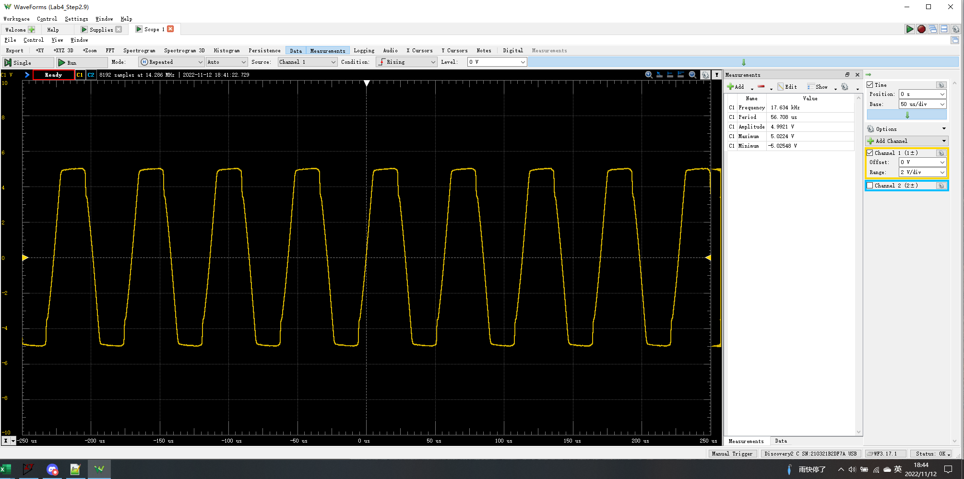
-0.00028347789474 | 0.058310181984
-0.00028340789474 | 0.12190436137
-0.00028333789474 | 0.18923937484
-0.00028326789474 | 0.24909272015
-0.00028319789474 | 0.3201685677
-0.00028312789474 | 0.37628107892
-0.00028305789474 | 0.43613442423
-0.00028298789474 | 0.51095110586
-0.00028291789474 | 0.56706361709
-0.00028284789474 | 0.63065779647
-0.00028277789474 | 0.70173364403
-0.00028270789474 | 0.77655032566
-0.00028263789474 | 0.8289220028
-0.00028256789474 | 0.89625701627
-0.00028249789474 | 0.96733286382
-0.00028242789474 | 1.0309270432
-0.00028235789474 | 1.0945212226
-0.00028228789474 | 1.1618562361
-0.00028221789474 | 1.2291912495
-0.00028214789474 | 1.3002670971
-0.00028207789474 | 1.3638612765
-0.00028200789474 | 1.4311962899
-0.00028193789474 | 1.4947904693
-0.00028186789474 | 1.5509029806
-0.00028179789474 | 1.618237994
-0.00028172789474 | 1.6855730075
-0.00028165789474 | 1.7491671869
-0.00028158789474 | 1.8090205322
-0.00028151789474 | 1.891318882
-0.00028144789474 | 1.9586538955
-0.00028137789474 | 2.0147664067
-0.00028130789474 | 2.0970647565
-0.00028123789474 | 2.1569181018
-0.00028116789474 | 2.2205122812
-0.00028109789474 | 2.2766247924
-0.00028102789474 | 2.3439598059
-0.00028095789474 | 2.4075539853
-0.00028088789474 | 2.4711481646
-0.00028081789474 | 2.5422240122
-0.00028074789474 | 2.6058181916
-0.00028067789474 | 2.6881165414
-0.00028060789474 | 2.762933223
-0.00028053789474 | 2.8265274024
-0.00028046789474 | 2.901344084
-0.00028039789474 | 2.9686790975
-0.00028032789474 | 3.0247916087
-0.00028025789474 | 3.0996082904
-0.00028018789474 | 3.1594616357
-0.00028011789474 | 3.219314981
-0.00028004789474 | 3.2791683263
...

Step 2.10
Time (s) | Channel 1 (V) | C1 | Frequency | 33.649 kHz
-0.00028670564103 | 4.9662844971 | C1 | Period | 29.718 us
-0.00028663564103 | 4.9588028289 | C1 | Amplitude | 4.9285 V
-0.00028656564103 | 4.9588028289 | C1 | Maximum | 4.9925 V
-0.00028649564103 | 4.962543663 | C1 | Minimum | -4.97311 V
Measured Vout vs Time Characteristics when R3=R4=4.02K
-0.00028670564103 | 4.9662844971
-0.00028663564103 | 4.9588028289
-0.00028656564103 | 4.9588028289
-0.00028649564103 | 4.962543663
-0.00028642564103 | 4.9662844971
-0.00028635564103 | 4.9700253312
-0.00028628564103 | 4.9700253312
-0.00028621564103 | 4.9737661653
-0.00028614564103 | 4.9737661653
-0.00028607564103 | 4.9737661653
-0.00028600564103 | 4.9737661653
-0.00028593564103 | 4.9662844971
-0.00028586564103 | 4.9475803267
-0.00028579564103 | 4.9326169904
-0.00028572564103 | 4.9251353222
-0.00028565564103 | 4.9251353222
-0.00028558564103 | 4.9064311518
-0.00028551564103 | 4.9026903177
-0.00028544564103 | 4.8952086495
-0.00028537564103 | 4.8952086495
-0.00028530564103 | 4.8877269814
-0.00028523564103 | 4.8839861473
-0.00028516564103 | 4.8839861473
-0.00028509564103 | 4.869022811
-0.00028502564103 | 4.8652819769
-0.00028495564103 | 4.8578003087
-0.00028488564103 | 4.8578003087
-0.00028481564103 | 4.8428369724
-0.00028474564103 | 4.8353553042
-0.00028467564103 | 4.824132802
-0.00028460564103 | 4.8091694657
-0.00028453564103 | 4.7904652953
-0.00028446564103 | 4.7680202908
-0.00028439564103 | 4.7231302818
-0.00028432564103 | 4.6370910979
-0.00028425564103 | 4.4874577346
-0.00028418564103 | 4.2891935283
-0.00028411564103 | 4.0647434834
-0.00028404564103 | 3.8365526044
-0.00028397564103 | 3.6158433936
-0.00028390564103 | 3.3951341828
-0.00028383564103 | 3.1669433038
-0.00028376564103 | 2.946234093
-0.00028369564103 | 2.7404882185
-0.00028362564103 | 2.5384831781
-0.00028355564103 | 2.3664048104
-0.00028348564103 | 2.1980672767
-0.00028341564103 | 2.0446930793
-0.00028334564103 | 1.9100230524
-0.00028327564103 | 1.7828346936
...
-0.00028642564103 | 4.9662844971
-0.00028635564103 | 4.9700253312
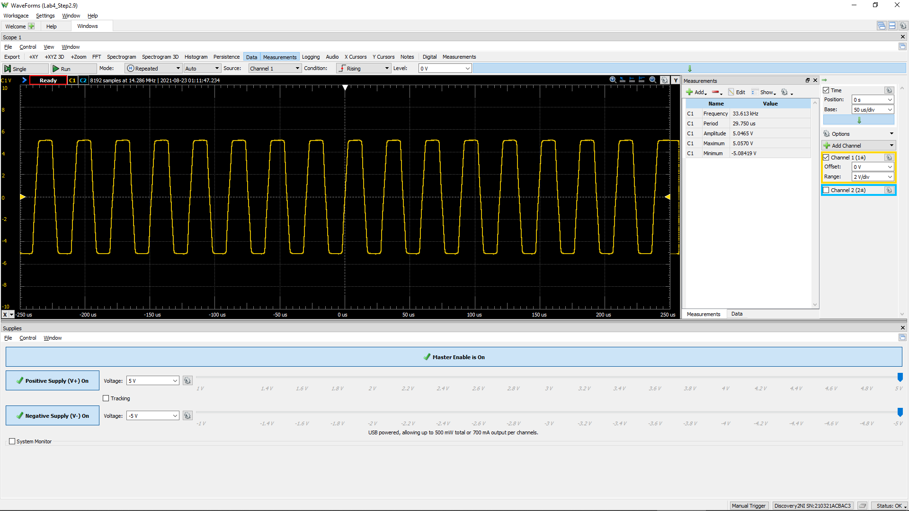
-0.00028628564103 | 4.9700253312
-0.00028621564103 | 4.9737661653
-0.00028614564103 | 4.9737661653
-0.00028607564103 | 4.9737661653
-0.00028600564103 | 4.9737661653
-0.00028593564103 | 4.9662844971
-0.00028586564103 | 4.9475803267
-0.00028579564103 | 4.9326169904
-0.00028572564103 | 4.9251353222
-0.00028565564103 | 4.9251353222
-0.00028558564103 | 4.9064311518
-0.00028551564103 | 4.9026903177
-0.00028544564103 | 4.8952086495
-0.00028537564103 | 4.8952086495
-0.00028530564103 | 4.8877269814
-0.00028523564103 | 4.8839861473
-0.00028516564103 | 4.8839861473
-0.00028509564103 | 4.869022811
-0.00028502564103 | 4.8652819769
-0.00028495564103 | 4.8578003087
-0.00028488564103 | 4.8578003087
-0.00028481564103 | 4.8428369724
-0.00028474564103 | 4.8353553042
-0.00028467564103 | 4.824132802
-0.00028460564103 | 4.8091694657
-0.00028453564103 | 4.7904652953
-0.00028446564103 | 4.7680202908
-0.00028439564103 | 4.7231302818
-0.00028432564103 | 4.6370910979
-0.00028425564103 | 4.4874577346
-0.00028418564103 | 4.2891935283
-0.00028411564103 | 4.0647434834
-0.00028404564103 | 3.8365526044
-0.00028397564103 | 3.6158433936
-0.00028390564103 | 3.3951341828
-0.00028383564103 | 3.1669433038
-0.00028376564103 | 2.946234093
-0.00028369564103 | 2.7404882185
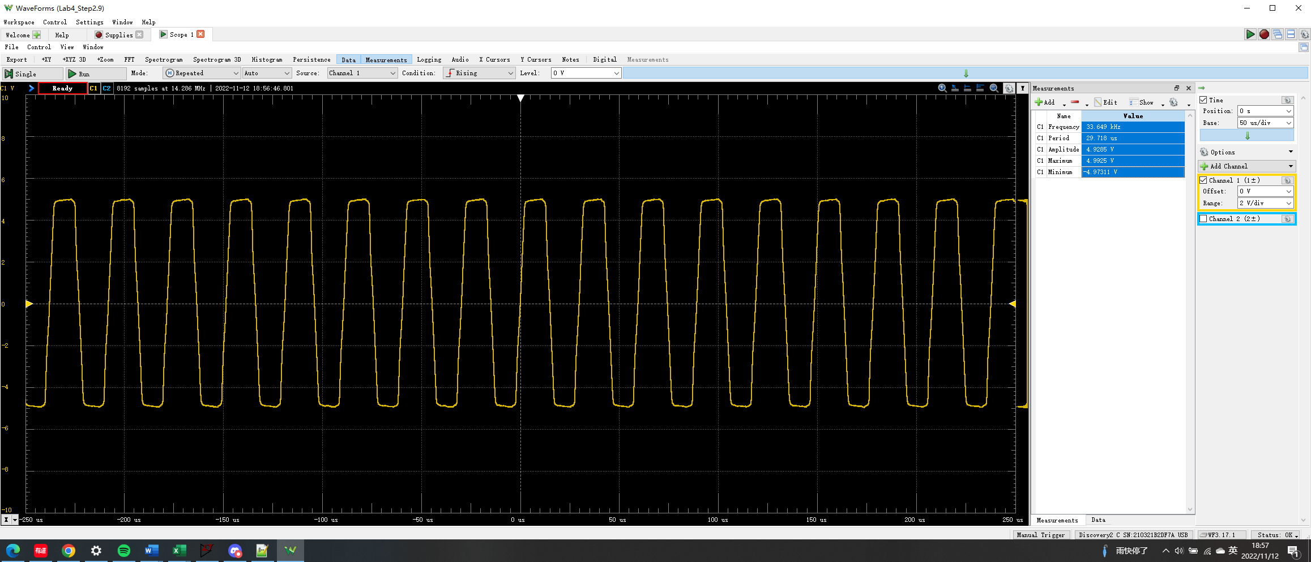
-0.00028362564103 | 2.5384831781
-0.00028355564103 | 2.3664048104
-0.00028348564103 | 2.1980672767
-0.00028341564103 | 2.0446930793
-0.00028334564103 | 1.9100230524
-0.00028327564103 | 1.7828346936
-0.00028320564103 | 1.663128003
-0.00028313564103 | 1.5471621465
-0.00028306564103 | 1.4424187922
-0.00028299564103 | 1.3339346038
-0.00028292564103 | 1.2179687473
-0.00028285564103 | 1.1020028908
-0.00028278564103 | 0.99351870239
-0.00028271564103 | 0.8700711777
-0.00028264564103 | 0.746623653
-0.00028257564103 | 0.61943529423
-0.00028250564103 | 0.48850610137
-0.00028243564103 | 0.35757690851
-0.00028236564103 | 0.22290688158
-0.00028229564103 | 0.091977688718
-0.00028222564103 | -0.053914840465
-0.00028215564103 | -0.20354820373
-0.00028208564103 | -0.34195906475
-0.00028201564103 | -0.48036992577
-0.00028194564103 | -0.63000328904
-0.00028187564103 | -0.79085915455
-0.00028180564103 | -0.94049251781
-0.00028173564103 | -1.0976075492
-0.00028166564103 | -1.2547225807
-0.00028159564103 | -1.4043559439
-0.00028152564103 | -1.5652118094
-0.00028145564103 | -1.7185860068
-0.00028138564103 | -1.864478536
-0.00028131564103 | -2.0178527333
-0.00028124564103 | -2.1712269307
-0.00028117564103 | -2.3358236303
-0.00028110564103 | -2.4854569935
-0.00028103564103 | -2.6313495227
-0.00028096564103 | -2.7847237201
-0.00028089564103 | -2.9418387515
-0.00028082564103 | -3.0952129488
-0.00028075564103 | -3.2598096484
-0.00028068564103 | -3.4169246799
-0.00028061564103 | -3.5740397113
-0.00028054564103 | -3.7236730746
-0.00028047564103 | -3.8733064378
-0.00028040564103 | -4.0117172988
-0.00028033564103 | -4.157609828
-0.00028026564103 | -4.2847981868
-0.00028019564103 | -4.4045048774
-0.00028012564103 | -4.5017665635
-0.00028005564103 | -4.5765832452
-0.00027998564103 | -4.6326957564
-0.00027991564103 | -4.6775857654
-0.00027984564103 | -4.7112532721
-0.00027977564103 | -4.7336982766
-0.00027970564103 | -4.7636249492
-0.00027963564103 | -4.7860699537
-0.00027956564103 | -4.8047741241
-0.00027949564103 | -4.8047741241
-0.00027942564103 | -4.8197374605
-0.00027935564103 | -4.8159966264
-0.00027928564103 | -4.8159966264
-0.00027921564103 | -4.8234782946
-0.00027914564103 | -4.8347007968
-0.00027907564103 | -4.8347007968
-0.00027900564103 | -4.842182465
-0.00027893564103 | -4.8496641331
-0.00027886564103 | -4.8534049672
...

